AvrBs2 list
Row.names | AvrBs2.Control___padj | AvrBs2.Control___log2FoldChange | Cuantiles | Valor límite LOG2 fold change
MANES_02G189600 | 4.1500562965E-15 | 29.999853851 | 0.05 | 3.883515
MANES_04G143800 | 6.5276591813E-09 | 29.243789964 | 0.25 | 5.334873
MANES_15G089100 | 1.1388964676E-24 | 28.126160581 | 0.5 | 6.93536
MANES_02G151400 | 8.4966956904E-10 | 27.43178521 | 0.75 | 8.312258
MANES_08G029900 | 1.2113886636E-06 | 26.932788702 | 0.95 | 12.607274
MANES_05G140600 | 0.0025151566279 | 25.669157994
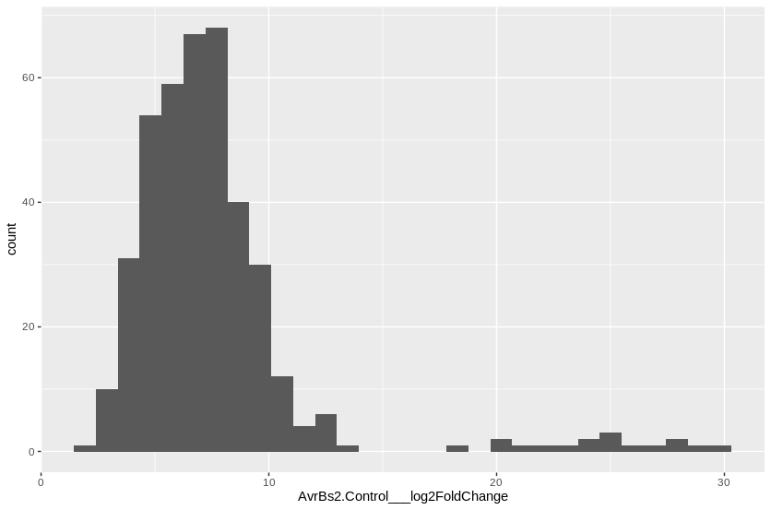
MANES_01G195300 | 6.8086962436E-12 | 24.8417735
MANES_18G059800 | 9.5346579059E-07 | 24.770598002
MANES_14G015600 | 0.0002099980874 | 24.754424237
MANES_13G038200 | 3.0035486379E-06 | 23.750973421
MANES_06G094100 | 4.1066898938E-07 | 23.70599724
MANES_03G060700 | 1.3766237543E-06 | 23.314136263
MANES_15G152500 | 7.6217672578E-07 | 22.504933031
MANES_09G163800 | 5.3506089524E-07 | 21.533272376
MANES_16G060500 | 2.4411633997E-10 | 20.670767097
MANES_15G016500 | 1.9748668189E-08 | 19.777497229
MANES_01G059400 | 5.7050511336E-06 | 18.653688208
MANES_15G192200 | 0.00014325223162 | 13.584153034
MANES_03G113400 | 8.4966956904E-10 | 12.982562141
MANES_08G067300 | 0.0037658157239 | 12.7427136
MANES_04G093100 | 1.7969031151E-09 | 12.600145397
MANES_01G204300 | 0.00019917680131 | 12.573179864
MANES_06G076800 | 4.1823111153E-08 | 12.546891503
MANES_08G010800 | 1.4836414807E-05 | 12.193347906
MANES_18G005800 | 0.00045013272052 | 11.831059342
MANES_07G139600 | 7.9957753652E-06 | 11.669412855
MANES_15G067000 | 5.464604996E-06 | 11.459756236
MANES_09G061900 | 1.8131352482E-09 | 11.309434088
MANES_12G113200 | 1.0465449633E-07 | 10.841136841
MANES_01G082300 | 0.0035047236978 | 10.647495944
MANES_05G108500 | 5.6327988224E-05 | 10.595126497
MANES_05G017000 | 7.0050835729E-10 | 10.587130432
MANES_17G013000 | 9.7860354435E-08 | 10.538782567
MANES_08G034300 | 2.9231350793E-05 | 10.445030716
MANES_03G187800 | 1.9231147735E-07 | 10.425470566
MANES_11G081600 | 4.8024729747E-15 | 10.420989649
MANES_01G262300 | 0.00060528878865 | 10.359416152
MANES_02G121800 | 0.00057147854405 | 10.271633038
MANES_13G122600 | 2.1740070987E-06 | 10.269670438
MANES_08G003900 | 0.0012320861965 | 10.222857995
MANES_12G112000 | 0.00025870457192 | 10.028975353
MANES_06G053300 | 0.0014832785249 | 10.016309786
MANES_02G093600 | 5.7087223163E-08 | 9.9265415998
MANES_14G059200 | 4.44485898E-05 | 9.9198168425
MANES_16G095100 | 6.7280878262E-26 | 9.917335951
MANES_11G108900 | 0.0018458839022 | 9.6751347708
MANES_15G024300 | 9.9272524433E-05 | 9.6497505223
MANES_18G078400 | 9.7635546195E-05 | 9.6299665834
MANES_16G124700 | 1.3984115951E-07 | 9.6255617235
MANES_10G027700 | 0.00080112429279 | 9.6237911854
MANES_15G073100 | 0.001291749849 | 9.6227801551
MANES_17G115200 | 0.0080433268622 | 9.6140497833
MANES_15G163900 | 1.5708697737E-11 | 9.6087988733
MANES_02G006900 | 0.00015996051802 | 9.601628547
MANES_05G064600 | 1.7463425919E-14 | 9.6014570773
MANES_02G018900 | 0.009309991637 | 9.5867830297
MANES_13G085600 | 3.6188716581E-05 | 9.5795706403
MANES_12G028300 | 4.7175463815E-05 | 9.5593624528
MANES_04G089100 | 0.0031489671333 | 9.5530317584
MANES_03G086600 | 0.0020181141753 | 9.4917586384
MANES_15G080700 | 6.1846958502E-30 | 9.4734131783
MANES_05G164400 | 2.8161964281E-06 | 9.462201926
MANES_06G123000 | 0.004818632388 | 9.4158966179
MANES_09G142400 | 7.9076504186E-08 | 9.3703565674
MANES_03G211600 | 3.1318985887E-06 | 9.3455984816
MANES_03G040700 | 1.0136228788E-09 | 9.3212093952
MANES_01G132400 | 1.0873133454E-05 | 9.2454634684
MANES_16G049700 | 3.3149208353E-09 | 9.2095863102
MANES_04G159300 | 0.0043263704301 | 9.1837034002
MANES_09G112500 | 1.5436138453E-09 | 9.1459791465
MANES_01G198900 | 0.0077592533655 | 9.1195734487
MANES_04G149300 | 4.7254215518E-12 | 9.1154281677
MANES_01G135300 | 7.8579241019E-05 | 9.0733363798
MANES_10G105500 | 3.3158545302E-05 | 9.0710682191
MANES_01G023900 | 0.00029751350961 | 9.0673153901
MANES_11G014400 | 4.1564603752E-05 | 9.0306142061
MANES_03G191800 | 7.9669385534E-08 | 9.0054839366
MANES_10G029000 | 0.00053324197841 | 8.9841539233
MANES_13G019400 | 5.0049353228E-11 | 8.7877899546
MANES_16G042900 | 0.0026489953566 | 8.780816663
MANES_S033500 | 0.00013505378838 | 8.7124542486
MANES_03G100400 | 0.00048108721697 | 8.6369467676
MANES_08G136000 | 0.00025882688225 | 8.6274092557
MANES_04G063000 | 1.9917543397E-05 | 8.5462660711
MANES_11G012800 | 1.0923457647E-12 | 8.4941441894
MANES_06G123100 | 0.00020910582475 | 8.4892498584
MANES_01G074100 | 0.0014894971359 | 8.4805779244
MANES_09G096100 | 1.6771092866E-05 | 8.4210304354
MANES_13G030600 | 0.0059247095516 | 8.4138593534
MANES_06G162500 | 0.0017751590595 | 8.4129666444
MANES_06G129200 | 0.0023296279614 | 8.410462442
MANES_10G123200 | 5.6327988224E-05 | 8.4085900328
MANES_04G000700 | 6.8103093872E-05 | 8.4064023753
MANES_17G091600 | 9.5346579059E-07 | 8.4051224401
MANES_03G206800 | 0.0063039534243 | 8.38707598
MANES_07G109600 | 0.0011562703773 | 8.3690103526
MANES_01G171400 | 6.4830472204E-06 | 8.3631824838
MANES_01G163500 | 9.3563136577E-06 | 8.346976534
MANES_02G090800 | 5.410068636E-11 | 8.3466980302
MANES_06G132800 | 0.0012425191006 | 8.3123224366
MANES_08G141100 | 0.00035533405874 | 8.3122361602
MANES_07G013300 | 6.5449394252E-07 | 8.2928996199
MANES_09G049300 | 0.0046794893447 | 8.2702163248
MANES_12G144000 | 2.2277143365E-10 | 8.2682089299
MANES_12G005500 | 0.00015072519392 | 8.2617301591
MANES_15G169000 | 0.00014101833022 | 8.2384375183
MANES_15G040600 | 4.551258961E-07 | 8.2205384757
MANES_01G262800 | 2.0108798787E-07 | 8.2178546803
MANES_12G065600 | 0.0063303050341 | 8.198845776
MANES_04G083000 | 2.9797474659E-08 | 8.1945138672
MANES_03G139100 | 0.0081897419015 | 8.1731708903
MANES_03G063300 | 2.2382926207E-10 | 8.168974363
MANES_09G172200 | 9.9272524433E-05 | 8.1688337281
MANES_02G166000 | 7.9669385534E-08 | 8.1604790963
MANES_13G040900 | 0.0035529281197 | 8.154095053
MANES_05G006300 | 2.0120375468E-08 | 8.1396335247
MANES_17G107500 | 0.0012537706113 | 8.1356231638
MANES_12G144200 | 8.1884519765E-14 | 8.0768987356
MANES_11G036700 | 0.00024393560611 | 8.065118307
MANES_17G068800 | 4.129536811E-13 | 8.0368698862
MANES_01G265800 | 8.7749038083E-07 | 8.0343135486
MANES_08G127200 | 0.00037768496856 | 7.9501047371
MANES_16G101900 | 2.4833324934E-05 | 7.8868762846
MANES_06G058300 | 6.3813394835E-07 | 7.8009418212
MANES_04G034300 | 0.0027936710202 | 7.7747143985
MANES_04G127800 | 0.0082425832153 | 7.7704777872
MANES_16G011700 | 5.3496602319E-05 | 7.7649304736
MANES_18G032400 | 0.0036719413457 | 7.7649187799
MANES_10G077200 | 1.4162596318E-07 | 7.7609956945
MANES_17G022200 | 8.0101117253E-05 | 7.7564405073
MANES_12G134500 | 1.1782712516E-05 | 7.7500185823
MANES_03G117700 | 2.573746411E-05 | 7.7469402245
MANES_15G136300 | 0.0023243825008 | 7.7417411296
MANES_03G063400 | 2.544531777E-06 | 7.7343746823
MANES_17G100600 | 2.4129188804E-08 | 7.7169587869
MANES_11G129300 | 0.0031013004375 | 7.6878681349
MANES_12G116600 | 0.0075203026936 | 7.6806571585
MANES_03G190600 | 7.8263716779E-09 | 7.6732470519
MANES_07G020100 | 2.9481645981E-09 | 7.6467105974
MANES_16G000600 | 5.2876483443E-07 | 7.6356007176
MANES_03G033900 | 0.00023975263244 | 7.6223245815
MANES_03G023700 | 1.0657202801E-05 | 7.6079538667
MANES_09G115700 | 1.7411829543E-05 | 7.5770730067
MANES_18G060600 | 8.7946359674E-09 | 7.575552399
MANES_05G026500 | 0.0021608301565 | 7.5523874081
MANES_09G128100 | 0.0011484491392 | 7.5369969478
MANES_04G146500 | 1.7547288096E-05 | 7.5359957482
MANES_01G273100 | 0.0042079696776 | 7.5167681211
MANES_01G201400 | 0.008421443576 | 7.51582761
MANES_07G087500 | 0.0069992978832 | 7.506680376
MANES_09G157100 | 3.7962449432E-12 | 7.5024370574
MANES_12G136200 | 0.0003677977159 | 7.4997418205
MANES_01G043500 | 1.7234259344E-05 | 7.4653017111
MANES_03G052200 | 0.0013438709743 | 7.4433023139
MANES_13G013000 | 0.0098163904439 | 7.4345771837
MANES_13G064000 | 0.0068528277974 | 7.4326654152
MANES_06G162900 | 0.0012537706113 | 7.4082289097
MANES_04G161300 | 0.00037768496856 | 7.4061865615
MANES_05G097100 | 0.00012329449152 | 7.4057561671
MANES_03G087300 | 0.0055758806083 | 7.3617629619
MANES_13G068000 | 1.7106586147E-06 | 7.3478797793
MANES_01G022100 | 0.00023933912362 | 7.3458733891
MANES_07G114400 | 0.0058968361576 | 7.3386171436
MANES_10G147900 | 0.0035529281197 | 7.3353470474
MANES_01G003200 | 1.8027922537E-05 | 7.3350286195
MANES_15G123600 | 0.00024965410575 | 7.3248090155
MANES_17G022600 | 5.7995625177E-06 | 7.3101425207
MANES_01G073700 | 0.00094989824278 | 7.3029571879
MANES_11G014600 | 0.0003263333904 | 7.3024405034
MANES_15G147700 | 0.00046393901166 | 7.3012184314
MANES_10G026400 | 0.003432794959 | 7.2974205738
MANES_12G143900 | 1.4445545638E-09 | 7.2736568446
MANES_01G233500 | 0.0045975051941 | 7.2562585367
MANES_08G097900 | 2.4634123747E-06 | 7.2488063799
MANES_01G206300 | 1.6027635154E-08 | 7.2265251726
MANES_07G114300 | 0.00093115279942 | 7.2209356457
MANES_03G037800 | 0.00026442933188 | 7.2179507452
MANES_18G018400 | 2.100381297E-16 | 7.2172811715
MANES_10G153700 | 1.0728813792E-05 | 7.2131528369
MANES_03G086500 | 9.3480091019E-07 | 7.1921408983
MANES_13G091100 | 0.00014783658303 | 7.1874539021
MANES_05G102400 | 0.0075203026936 | 7.1666906262
MANES_07G070200 | 2.7662283361E-05 | 7.1594216974
MANES_17G074300 | 0.0059247095516 | 7.1489732149
MANES_04G010600 | 7.5425647968E-07 | 7.1338946383
MANES_01G152400 | 0.00093540001323 | 7.131734419
MANES_10G153200 | 0.0011759642711 | 7.121105449
MANES_03G027700 | 0.0021722920376 | 7.1203872744
MANES_10G037600 | 0.0013976395634 | 7.0840835845
MANES_14G017800 | 0.00029792571497 | 7.0654902216
MANES_01G028300 | 0.00036966359474 | 7.0580517867
MANES_15G015900 | 0.00079545602723 | 7.0555880739
MANES_04G070200 | 0.0073010540553 | 7.0143774229
MANES_11G123700 | 0.00042772488014 | 7.0137379857
MANES_01G008800 | 5.6323500391E-05 | 7.0030080165
MANES_04G091900 | 0.00050899561827 | 6.9817432778
MANES_01G084700 | 0.00065149114144 | 6.9772682148
MANES_02G210900 | 5.0302525235E-07 | 6.9518358627
MANES_11G005800 | 1.4661596539E-05 | 6.9516294246
MANES_01G125200 | 0.0012657366442 | 6.9508619576
MANES_17G022500 | 0.0078852806003 | 6.9198580369
MANES_04G089200 | 0.0065440075946 | 6.9184429912
MANES_04G125700 | 0.00022833818033 | 6.868672727
MANES_S022600 | 2.608723085E-17 | 6.8683544942
MANES_12G002500 | 1.2337927558E-07 | 6.8644313696
MANES_04G003400 | 1.1973075232E-05 | 6.8278397765
MANES_11G093000 | 4.3133599076E-05 | 6.8138169185
MANES_10G047600 | 2.0504235778E-07 | 6.7967781168
MANES_02G121000 | 1.6281770633E-05 | 6.7949501005
MANES_02G107900 | 0.0027058968378 | 6.7832305137
MANES_08G167000 | 4.5029462112E-05 | 6.774528725
MANES_10G052600 | 2.2818940208E-05 | 6.7735047189
MANES_03G041500 | 7.9957753652E-06 | 6.7709648513
MANES_13G119500 | 9.5346579059E-07 | 6.7499323582
MANES_07G054200 | 0.00060528878865 | 6.7201398056
MANES_04G001300 | 0.0056484961713 | 6.682417858
MANES_06G071000 | 0.006515053504 | 6.6651092961
MANES_05G020900 | 0.001291749849 | 6.6611813493
MANES_09G143000 | 0.0025336474102 | 6.6465080687
MANES_05G060700 | 7.8397530646E-06 | 6.6451343797
MANES_04G087000 | 0.0046976243885 | 6.6390036196
MANES_05G150100 | 0.0037064808913 | 6.6374854848
MANES_04G002800 | 0.0012661515655 | 6.6323500171
MANES_05G042200 | 0.0016850231574 | 6.6158968017
MANES_16G016400 | 6.3654789287E-20 | 6.6004819366
MANES_12G010600 | 1.7234259344E-05 | 6.59906301
MANES_12G150600 | 5.1516513967E-07 | 6.5901801549
MANES_04G073800 | 0.0018586230228 | 6.576885297
MANES_13G033600 | 2.9797474659E-08 | 6.5510586876
MANES_05G003600 | 0.0014298701594 | 6.5508791202
MANES_15G062500 | 0.0012537706113 | 6.5396795044
MANES_04G146600 | 0.0030463777594 | 6.5302531351
MANES_13G005300 | 0.0022586474209 | 6.5229896442
MANES_01G097900 | 0.00015905694275 | 6.5062775044
MANES_01G243700 | 0.00034869813015 | 6.4901433932
MANES_03G118300 | 4.2297093985E-05 | 6.4836746156
MANES_17G053100 | 0.0036899325328 | 6.4317408641
MANES_10G132200 | 0.00026810710746 | 6.4255751078
MANES_06G110100 | 2.08484609E-05 | 6.4186275115
MANES_06G152300 | 0.00024458993393 | 6.394091848
MANES_15G144300 | 0.0075491867919 | 6.3426562336
MANES_03G086700 | 0.0018699018511 | 6.3353471474
MANES_12G032900 | 0.001291749849 | 6.3319860368
MANES_14G160700 | 0.0028330428509 | 6.2906460498
MANES_15G172000 | 0.009167355479 | 6.2753544764
MANES_S031800 | 0.00024393560611 | 6.2439537299
MANES_15G175800 | 0.0081166080924 | 6.2304418138
MANES_06G117700 | 0.00084320694344 | 6.2141066191
MANES_08G025500 | 0.0032794723685 | 6.2138933051
MANES_05G072000 | 0.0019814169163 | 6.2125845803
MANES_01G112700 | 1.0465449633E-07 | 6.2037307678
MANES_04G040500 | 0.00053750797548 | 6.1839021973
MANES_14G065800 | 0.0027003650786 | 6.1780149939
MANES_14G125900 | 0.0012047145803 | 6.145054444
MANES_06G061700 | 4.7175463815E-05 | 6.1183464922
MANES_11G153700 | 0.001976811005 | 6.0188046961
MANES_17G022700 | 0.0038184686066 | 6.0164407288
MANES_S027400 | 0.00096595803086 | 5.9924689429
MANES_12G030300 | 0.00021055402953 | 5.9851805401
MANES_09G174600 | 0.0026780812397 | 5.9584221272
MANES_S094200 | 0.0032794723685 | 5.9554750296
MANES_01G112600 | 3.3149208353E-09 | 5.9550088461
MANES_03G099600 | 0.0093028287384 | 5.9436548301
MANES_18G136400 | 0.0047243276795 | 5.9388136483
MANES_S025100 | 5.9435450747E-06 | 5.938076477
MANES_06G100200 | 6.5294503378E-09 | 5.9295557576
MANES_02G161800 | 1.8123318758E-06 | 5.9159557263
MANES_12G039400 | 0.0055365884182 | 5.9013829665
MANES_14G059000 | 0.00013971940188 | 5.888957674
MANES_10G060800 | 7.3181044971E-14 | 5.8462880189
MANES_14G118100 | 4.6692547023E-05 | 5.8407587965
MANES_17G008400 | 0.0012875694784 | 5.8383192936
MANES_05G108200 | 0.0021608301565 | 5.8373018585
MANES_07G091600 | 0.0025748993045 | 5.8268074744
MANES_15G182200 | 0.0061891286008 | 5.8159593344
MANES_01G017300 | 0.0056965251889 | 5.8053034673
MANES_08G164000 | 0.006535418915 | 5.7871862682
MANES_03G001100 | 0.00014783658303 | 5.7749898482
MANES_17G022300 | 0.00015685509321 | 5.7289755081
MANES_02G119300 | 2.9080320729E-05 | 5.7001251896
MANES_02G101600 | 0.0028774718746 | 5.6806671273
MANES_02G038000 | 0.0059486322306 | 5.6555893036
MANES_01G080800 | 0.001789802554 | 5.60286278
MANES_08G117500 | 0.0044641263222 | 5.5933490627
MANES_13G149900 | 0.0053809202867 | 5.5910877245
MANES_06G137400 | 0.0081166080924 | 5.5671017403
MANES_04G085600 | 2.0723893588E-08 | 5.5592246151
MANES_02G038200 | 0.0057459919664 | 5.545813042
MANES_05G070500 | 0.0047396640666 | 5.5090431998
MANES_10G141100 | 0.0037606920882 | 5.5068801559
MANES_10G095900 | 0.002505049085 | 5.483857518
MANES_10G061400 | 0.0026842274547 | 5.4638048797
MANES_01G108900 | 0.0084731145008 | 5.4501017657
MANES_17G085500 | 0.0025219938668 | 5.4148865684
MANES_01G052500 | 0.00022609394822 | 5.4003087988
MANES_15G179900 | 8.8326624166E-05 | 5.395775477
MANES_17G026300 | 9.0984195976E-09 | 5.3953027931
MANES_04G044100 | 0.00057125747551 | 5.3926803535
MANES_04G078800 | 0.0064752072945 | 5.3662730436
MANES_13G019600 | 0.0032206671852 | 5.3370368447
MANES_02G163300 | 0.0037137976659 | 5.3283832936
MANES_08G162200 | 0.0074709502413 | 5.3187890327
MANES_06G152500 | 0.0054975181688 | 5.3178122306
MANES_15G110300 | 0.0003677977159 | 5.314571765
MANES_06G136700 | 1.8027922537E-05 | 5.2880345537
MANES_09G001100 | 0.0096731059373 | 5.2697219151
MANES_09G158200 | 0.0012892261412 | 5.2528849217
MANES_04G057000 | 0.0003677977159 | 5.245219583
MANES_06G027900 | 0.0063460656057 | 5.2388529203
MANES_16G049900 | 0.0018020720445 | 5.2215476326
MANES_06G176100 | 0.0099041825312 | 5.2040255997
MANES_04G094200 | 6.3813394835E-07 | 5.2002684789
MANES_13G147900 | 0.0019697860018 | 5.1908289421
MANES_15G069200 | 0.00130869799 | 5.185840637
MANES_11G094900 | 0.00066199313212 | 5.1746756463
MANES_11G154400 | 0.0001167733183 | 5.1707989707
MANES_08G127300 | 0.00037768496856 | 5.1380487479
MANES_11G144400 | 0.0012711802982 | 5.1200361603
MANES_15G109300 | 2.6997173139E-05 | 5.0974539471
MANES_12G096000 | 3.0283679757E-06 | 5.0968051345
MANES_15G181500 | 0.00074552321711 | 5.089016185
MANES_08G162700 | 0.00086801071289 | 5.087105744
MANES_02G090500 | 0.0024276496577 | 5.0823359705
MANES_16G113000 | 0.0015827980229 | 5.066144009
MANES_12G150500 | 1.7234259344E-05 | 5.0596033444
MANES_S029900 | 0.00024041232679 | 5.0206945524
MANES_03G039700 | 0.0081473389105 | 5.0194636027
MANES_15G115900 | 0.0091854863843 | 4.9867782958
MANES_08G117200 | 0.0037987547219 | 4.9451345488
MANES_05G087400 | 0.0017198024895 | 4.9403507113
MANES_02G007800 | 3.9916784339E-05 | 4.917499404
MANES_06G121400 | 0.002505049085 | 4.914836716
MANES_S110800 | 0.00016031321957 | 4.886144509
MANES_08G032100 | 0.00075951210925 | 4.8396451772
MANES_01G044500 | 0.0034002702283 | 4.8378979088
MANES_09G039400 | 0.0012892261412 | 4.8172087709
MANES_15G068900 | 0.0032723210472 | 4.795324872
MANES_S012900 | 0.0026489953566 | 4.7774205498
MANES_04G101700 | 0.0082558339679 | 4.7675025086
MANES_04G066900 | 7.438949702E-10 | 4.7125850736
MANES_05G081100 | 2.5735292419E-06 | 4.7016381631
MANES_02G147600 | 0.0027093308674 | 4.6300714752
MANES_18G003300 | 0.00025882688225 | 4.5961275362
MANES_18G019500 | 0.0037270765553 | 4.5923217228
MANES_12G011700 | 0.008421443576 | 4.5678655095
MANES_05G081000 | 1.0055761186E-05 | 4.5614958269
MANES_08G104400 | 0.0071804947489 | 4.542001676
MANES_02G104700 | 0.0010128183254 | 4.5358391373
MANES_03G081200 | 0.008248578598 | 4.4819842548
MANES_18G121900 | 0.002555988553 | 4.4657320138
MANES_14G145700 | 2.1242584354E-05 | 4.4438682038
MANES_13G107100 | 0.0028443529505 | 4.4269864334
MANES_18G006400 | 0.0021326149277 | 4.4170222439
MANES_13G129900 | 0.0093868192966 | 4.4162543715
MANES_10G076700 | 0.0036162937674 | 4.4026796779
MANES_15G110600 | 0.007751266417 | 4.3884721352
MANES_06G082100 | 0.0021213579846 | 4.3317100722
MANES_02G178700 | 0.00056856440684 | 4.3304788419
MANES_14G022200 | 0.0065151352892 | 4.3186817363
MANES_05G195100 | 5.6327988224E-05 | 4.3123957479
MANES_17G020400 | 0.0090431790365 | 4.3084671798
MANES_01G016900 | 0.0055758806083 | 4.2442229956
MANES_10G045200 | 0.0027382827216 | 4.2086379279
MANES_11G112600 | 0.001682422545 | 4.1754749464
MANES_16G006100 | 0.0033471436845 | 4.1609015931
MANES_09G179800 | 0.00040218157388 | 4.1522216615
MANES_13G051700 | 0.0078642190721 | 4.1183552278
MANES_17G019500 | 0.0046792560446 | 4.0677208347
MANES_01G268900 | 0.0041208040003 | 4.0640913247
MANES_08G078500 | 1.3753672066E-07 | 3.9988074055
MANES_02G113000 | 0.0039864296985 | 3.9843245423
MANES_18G041100 | 3.0027040549E-07 | 3.9697620219
MANES_06G172700 | 0.0015410409183 | 3.9690836042
MANES_08G069100 | 0.0087820141784 | 3.9588244836
MANES_13G068200 | 5.6815921869E-06 | 3.954618562
MANES_14G122900 | 0.00085442139949 | 3.9227481674
MANES_04G130600 | 0.0063303050341 | 3.9124594155
MANES_02G154700 | 0.0059357948738 | 3.9043728889
MANES_15G006000 | 0.0039208742118 | 3.8882071384
MANES_08G052000 | 0.0025298475693 | 3.8850091137
MANES_13G102500 | 0.0020381765669 | 3.8551247214
MANES_09G114200 | 0.0032723210472 | 3.7558315222
MANES_03G125000 | 0.00041420628787 | 3.743701313
MANES_12G132300 | 1.0561296215E-05 | 3.6086710389
MANES_S055900 | 0.0047863124715 | 3.5756668736
MANES_18G022300 | 0.0039634734497 | 3.5137093928
MANES_14G033900 | 0.0092075063087 | 3.429552628
MANES_12G097200 | 0.00029298129695 | 3.3820737104
MANES_12G132900 | 1.3467897709E-06 | 3.3681798124
MANES_01G038600 | 0.0020743714598 | 3.3420168799
MANES_05G056000 | 1.2817909076E-05 | 3.3395843733
MANES_15G040800 | 0.00082601846962 | 3.3029662244
MANES_15G164200 | 0.008421443576 | 3.2480314389
MANES_01G106600 | 0.008421443576 | 3.246764866
MANES_12G076800 | 0.0095704070426 | 3.180323243
MANES_14G145800 | 0.005974038204 | 3.160225916
MANES_01G011500 | 0.00093115279942 | 2.9966272039
MANES_12G124000 | 0.0081877972691 | 2.9694483567
MANES_18G060100 | 0.0023083715085 | 2.842718841
MANES_04G026800 | 0.00097874309032 | 2.0979315541

XB3 list
Row.names | XB3.Control___padj | XB3.Control___log2FoldChange | Cuantiles | Valor límite LOG2 fold change
MANES_02G189600 | 7.5229046691E-39 | 44.525831969 | 0.05 | 3.439647
MANES_15G152500 | 1.5067345515E-20 | 37.390417053 | 0.25 | 4.906632
MANES_16G060500 | 3.8996511841E-36 | 35.32562336 | 0.5 | 6.213597
MANES_13G038200 | 2.6954129596E-08 | 27.25963356 | 0.75 | 8.166308
MANES_08G029900 | 1.894412799E-06 | 26.371990398 | 0.95 | 14.048441
MANES_14G061200 | 0.0011005909254 | 25.612201398
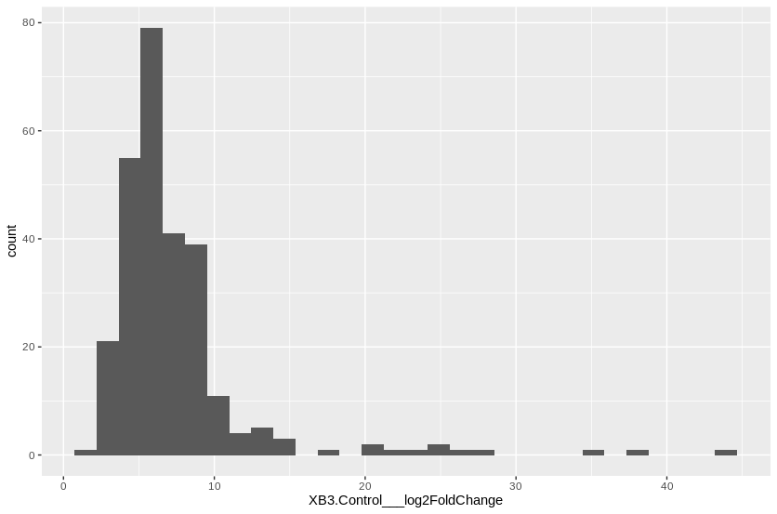
MANES_06G094100 | 1.452132427E-07 | 24.204737993
MANES_15G089100 | 1.5694725041E-16 | 23.343204877
MANES_09G163800 | 4.7068422152E-08 | 22.588546489
MANES_02G151400 | 8.1988278951E-06 | 21.044670025
MANES_03G060700 | 8.1798951462E-05 | 19.915518354
MANES_18G059800 | 0.002183726732 | 17.301607692
MANES_15G016500 | 0.00012442435602 | 15.108913304
MANES_05G012000 | 4.692373069E-16 | 14.059423391
MANES_15G077000 | 8.1401589595E-23 | 14.037458718
MANES_08G076700 | 1.187003649E-30 | 13.092848203
MANES_02G096600 | 6.7216283638E-09 | 13.045077098
MANES_04G024800 | 0.0016302733965 | 13.033680694
MANES_09G179100 | 1.3709759136E-13 | 12.937569948
MANES_09G035700 | 0.00058526325839 | 12.578441656
MANES_03G121200 | 9.951321839E-49 | 12.278137702
MANES_11G141900 | 4.4282983309E-17 | 11.817494441
MANES_01G034000 | 0.0095509624452 | 11.17979334
MANES_08G103200 | 7.1003032912E-06 | 11.050581744
MANES_03G212700 | 1.3266911856E-13 | 10.918063767
MANES_15G068900 | 5.0048522813E-14 | 10.886138117
MANES_03G156000 | 8.2261677011E-05 | 10.780154892
MANES_03G122100 | 2.5237710457E-15 | 10.516130212
MANES_17G037800 | 2.058389711E-09 | 10.51239289
MANES_14G084200 | 0.0069416487373 | 10.142730638
MANES_16G095200 | 0.0013144598854 | 10.075584296
MANES_11G153700 | 2.3971044298E-08 | 9.9931593447
MANES_03G165600 | 9.2532277776E-06 | 9.7859459684
MANES_02G178700 | 1.3876734952E-18 | 9.7229578661
MANES_02G076900 | 3.0690400067E-23 | 9.6804984261
MANES_13G068000 | 6.8170396162E-11 | 9.5018618863
MANES_02G035800 | 0.00018166747572 | 9.4477794391
MANES_13G075100 | 0.00059500443196 | 9.4444259421
MANES_04G014900 | 4.2796995386E-09 | 9.4105646605
MANES_14G085400 | 3.4045149784E-18 | 9.4087830257
MANES_11G112800 | 0.00018349119958 | 9.375716471
MANES_16G130200 | 0.0013723304052 | 9.2054038795
MANES_04G093100 | 2.7554953609E-05 | 9.1794944827
MANES_06G084900 | 4.692373069E-16 | 9.1382572094
MANES_15G018900 | 1.6140875166E-07 | 9.103056767
MANES_06G041300 | 1.7410058364E-34 | 9.043161859
MANES_01G262300 | 0.0045235093014 | 8.9580593528
MANES_18G006400 | 3.0100076575E-12 | 8.9173172853
MANES_06G036700 | 2.1604883279E-10 | 8.8282646519
MANES_05G030000 | 3.1814554144E-08 | 8.7953856886
MANES_05G064600 | 1.5859276751E-12 | 8.7280833986
MANES_18G055500 | 1.3231358893E-24 | 8.6813788404
MANES_18G121400 | 0.002327571708 | 8.5974884758
MANES_14G112600 | 7.9538459342E-11 | 8.5605634057
MANES_17G122800 | 0.0045774823915 | 8.53700471
MANES_02G093600 | 4.1584780423E-06 | 8.5338016814
MANES_11G139700 | 2.4468637415E-51 | 8.4810579155
MANES_01G073700 | 9.6804178608E-05 | 8.4750416187
MANES_10G045300 | 2.1518707924E-05 | 8.4464313389
MANES_02G148100 | 0.00015237004627 | 8.4337468637
MANES_05G102400 | 0.0021194277393 | 8.339302041
MANES_05G133100 | 3.1434524424E-05 | 8.3340302069
MANES_06G087500 | 5.9019382961E-07 | 8.2918930849
MANES_07G100500 | 3.8873104547E-25 | 8.2897539444
MANES_10G099500 | 0.0088057869814 | 8.2722493629
MANES_07G139600 | 0.0035339854841 | 8.1819218394
MANES_05G124600 | 0.00012286404471 | 8.1721452074
MANES_01G097900 | 8.1940389903E-07 | 8.1719322447
MANES_08G012800 | 2.0894399541E-25 | 8.1606847092
MANES_12G028300 | 0.00088387114603 | 8.1341217409
MANES_15G073100 | 0.0098604097121 | 8.1311995953
MANES_01G132400 | 0.00017400402212 | 8.0978049818
MANES_04G026800 | 4.2321762209E-51 | 8.0963401982
MANES_17G013000 | 8.3235374293E-05 | 8.0839026592
MANES_08G010800 | 0.0094116772167 | 7.9570215409
MANES_01G135300 | 0.00088387114603 | 7.9187279615
MANES_02G090800 | 2.8999561403E-10 | 7.887633965
MANES_14G097300 | 1.8455385266E-12 | 7.8412547825
MANES_18G069100 | 7.1358238809E-05 | 7.8263230112
MANES_11G014400 | 0.0005946773806 | 7.8253544193
MANES_06G132900 | 4.909892066E-40 | 7.7233923736
MANES_06G129700 | 0.0025868307125 | 7.6961846501
MANES_16G095100 | 4.911318806E-16 | 7.6673216644
MANES_14G005600 | 1.5376838837E-10 | 7.6533568665
MANES_13G058700 | 0.0004443958825 | 7.6396367132
MANES_11G058200 | 0.00040024380702 | 7.5568130405
MANES_12G121200 | 1.1625087433E-05 | 7.5510958252
MANES_11G135200 | 3.6909834761E-05 | 7.5349820582
MANES_15G164700 | 5.0523367925E-09 | 7.4130405137
MANES_16G004300 | 4.1052057748E-05 | 7.4075944357
MANES_03G063700 | 3.1108342582E-06 | 7.4009693558
MANES_15G064900 | 0.0029789104217 | 7.3785658223
MANES_07G132800 | 6.4235779121E-05 | 7.3756062081
MANES_13G110300 | 0.0017752734132 | 7.3565890715
MANES_03G040700 | 2.530518572E-06 | 7.3489981155
MANES_03G187800 | 0.00056032355114 | 7.3486399522
MANES_S094200 | 0.00028328711225 | 7.2760686872
MANES_16G080300 | 6.2384039811E-06 | 7.1517098973
MANES_14G060100 | 0.0045235093014 | 7.1243231831
MANES_10G078000 | 0.0033441363534 | 7.0904390418
MANES_02G049300 | 0.0029096761933 | 7.0460925418
MANES_03G037800 | 0.00048193837241 | 7.0200541447
MANES_04G116000 | 0.0012219163731 | 6.9766740572
MANES_17G050800 | 0.0096461132863 | 6.9349446333
MANES_03G086200 | 4.8471795723E-13 | 6.9035666156
MANES_08G004600 | 6.4522575903E-08 | 6.8840946119
MANES_06G072400 | 0.0010363114903 | 6.8417526667
MANES_06G061700 | 3.7874333003E-06 | 6.8334798412
MANES_06G172100 | 5.462466042E-06 | 6.8326100231
MANES_14G173400 | 0.0024905655294 | 6.8296036163
MANES_03G086500 | 3.968734566E-06 | 6.7939974699
MANES_03G055000 | 0.0041555315379 | 6.7817172242
MANES_15G160800 | 5.7261742957E-05 | 6.6865375231
MANES_02G107900 | 0.0042986643249 | 6.6717099501
MANES_15G156500 | 2.5843339194E-09 | 6.6516023303
MANES_07G114300 | 0.0039950020171 | 6.5723467654
MANES_18G003300 | 2.6763165197E-08 | 6.5630493427
MANES_08G045000 | 3.6591860224E-25 | 6.5524187027
MANES_04G149300 | 1.5133765691E-06 | 6.5425662934
MANES_13G148200 | 0.0018693946132 | 6.5308445285
MANES_01G013500 | 0.0039895942829 | 6.52183646
MANES_08G141100 | 0.0085060148988 | 6.4930787899
MANES_09G181200 | 0.0065764862544 | 6.4915952694
MANES_05G035000 | 2.2888010211E-05 | 6.4898369368
MANES_11G076300 | 1.9010874676E-08 | 6.4770746573
MANES_10G037600 | 0.0052903407084 | 6.4385025674
MANES_05G057900 | 1.8954400378E-07 | 6.4382038327
MANES_05G006300 | 1.6986057668E-05 | 6.4269586111
MANES_10G052600 | 9.3475734081E-05 | 6.3366927402
MANES_02G196200 | 0.0046748684823 | 6.2776459982
MANES_05G146600 | 3.5932038916E-08 | 6.2590596253
MANES_13G038300 | 0.0058262851983 | 6.2470093418
MANES_07G054200 | 0.0021648145751 | 6.2361707867
MANES_16G101900 | 0.0016275838181 | 6.227354404
MANES_16G064400 | 0.0050760012806 | 6.2229246318
MANES_10G123200 | 0.0054213879609 | 6.2135968325
MANES_15G163900 | 4.3444825316E-05 | 6.1653073617
MANES_01G152500 | 0.00084635411155 | 6.157592417
MANES_01G206300 | 2.1360213603E-06 | 6.1498803185
MANES_02G154600 | 9.4797072342E-09 | 6.1414160584
MANES_15G182200 | 0.0054213879609 | 6.0788029028
MANES_14G099600 | 1.0776134397E-17 | 6.0763883236
MANES_05G017000 | 0.0012020921786 | 6.0739465289
MANES_08G117500 | 0.0026432382448 | 6.0363534922
MANES_15G169000 | 0.0098751183547 | 6.0075388362
MANES_S058400 | 0.00034238959803 | 5.9715327477
MANES_07G020100 | 6.8314042836E-06 | 5.9582158268
MANES_11G014600 | 0.0056682505984 | 5.9326367929
MANES_18G054600 | 0.0027559802945 | 5.8398154359
MANES_07G013300 | 0.0010962623269 | 5.8339344942
MANES_16G059600 | 0.0011884627256 | 5.8319552415
MANES_03G124700 | 0.0024603247125 | 5.7949462346
MANES_17G022200 | 0.007263522845 | 5.7898594218
MANES_02G148300 | 0.00055516346862 | 5.7809544134
MANES_05G060700 | 0.00014935969764 | 5.7784424411
MANES_14G003000 | 0.0088036584591 | 5.76868158
MANES_09G039500 | 0.0068743513318 | 5.7677020289
MANES_16G124700 | 0.004540976037 | 5.7308841002
MANES_03G065800 | 0.0021262119219 | 5.7083108456
MANES_08G052000 | 2.9367297101E-06 | 5.6972487205
MANES_01G156600 | 0.00018988287125 | 5.6547876083
MANES_03G063300 | 2.7554953609E-05 | 5.6521264117
MANES_17G100600 | 9.601148489E-05 | 5.6501190868
MANES_06G054000 | 0.0013723304052 | 5.6213043409
MANES_03G106300 | 1.4588081463E-06 | 5.6210653135
MANES_09G158200 | 0.00060301500817 | 5.6170301783
MANES_10G077200 | 0.00034238959803 | 5.5894556283
MANES_15G009900 | 0.0013541107344 | 5.5550700374
MANES_17G091600 | 0.0028879063029 | 5.5522838279
MANES_16G040500 | 0.00018988287125 | 5.5384109112
MANES_16G000600 | 0.00059650420428 | 5.5268724838
MANES_07G052100 | 0.0004443958825 | 5.4919721318
MANES_09G141900 | 0.0054213879609 | 5.482544383
MANES_11G160400 | 0.003001547503 | 5.4667564552
MANES_05G056000 | 9.2151126161E-15 | 5.4520443675
MANES_18G060600 | 8.1722135227E-05 | 5.4465103862
MANES_16G049700 | 0.0014626998194 | 5.4322068555
MANES_14G153800 | 0.0065254583992 | 5.4186128142
MANES_01G171400 | 0.0072341221762 | 5.4167857969
MANES_13G068200 | 6.7636160355E-11 | 5.3484464148
MANES_03G059600 | 8.2261677011E-05 | 5.3385563306
MANES_13G028900 | 1.583916425E-13 | 5.3101944589
MANES_01G112700 | 8.6435300304E-06 | 5.2826698463
MANES_01G044500 | 0.0017203900098 | 5.2730265661
MANES_17G020400 | 0.0014941844655 | 5.263971997
MANES_03G063400 | 0.0034989007366 | 5.2619702761
MANES_02G218200 | 3.1434524424E-05 | 5.2228463182
MANES_15G033600 | 7.6238901866E-05 | 5.2227683925
MANES_14G140700 | 2.260499007E-15 | 5.2181161459
MANES_03G055200 | 1.5437210407E-06 | 5.2129825863
MANES_11G154400 | 0.00011735254677 | 5.1990343215
MANES_15G089900 | 0.0025442469467 | 5.1700498351
MANES_09G112500 | 0.0021336568072 | 5.1407564332
MANES_12G027300 | 8.2261677011E-05 | 5.1250501928
MANES_16G113000 | 0.0018271091329 | 5.1139583992
MANES_14G043900 | 0.0012890603634 | 5.0963496678
MANES_02G048600 | 4.6402771337E-06 | 5.0836835127
MANES_15G149500 | 1.5920105928E-10 | 5.0181085498
MANES_01G178000 | 1.1349139906E-05 | 4.9945745623
MANES_13G070400 | 0.0024603247125 | 4.9655608016
MANES_09G115700 | 0.0099773740752 | 4.9473152884
MANES_04G044100 | 0.0023282294206 | 4.9442176267
MANES_01G236900 | 0.0001802450713 | 4.9134418854
MANES_11G144700 | 0.0089537889437 | 4.8998222658
MANES_06G104700 | 0.0073159532669 | 4.8968406564
MANES_05G169200 | 0.0084807191838 | 4.8909318474
MANES_14G118100 | 0.0011982338196 | 4.8893901376
MANES_09G179200 | 8.6680588538E-09 | 4.874673993
MANES_09G070300 | 0.00024959336723 | 4.8630970674
MANES_04G066900 | 7.1205215739E-11 | 4.854996374
MANES_03G001100 | 0.0025868307125 | 4.8122821212
MANES_16G130500 | 5.7261742957E-05 | 4.7844067392
MANES_02G121000 | 0.0054213879609 | 4.722120526
MANES_06G058300 | 0.0061470149948 | 4.7204443309
MANES_02G158400 | 0.0057069772245 | 4.6585667596
MANES_13G019400 | 0.0017813026792 | 4.6553974675
MANES_13G107500 | 7.7316782911E-05 | 4.6480555082
MANES_02G020900 | 0.0031425789801 | 4.6427903019
MANES_14G016000 | 0.007892227301 | 4.606679808
MANES_04G010600 | 0.0041718162381 | 4.5098483207
MANES_06G110100 | 0.0058262851983 | 4.4861948104
MANES_11G056500 | 0.0068692661224 | 4.4810071877
MANES_04G108300 | 0.0033157052956 | 4.4539257404
MANES_18G019500 | 0.0068692661224 | 4.4478827125
MANES_05G042100 | 0.0082226081433 | 4.4027070987
MANES_15G075600 | 4.4598806938E-06 | 4.3985535403
MANES_09G157100 | 0.00017007367766 | 4.3764970269
MANES_07G065600 | 0.0092657153143 | 4.3403855489
MANES_11G081600 | 0.0046929445777 | 4.3244676753
MANES_01G112600 | 4.324658729E-05 | 4.3083553342
MANES_02G161800 | 0.0014644135316 | 4.2337945422
MANES_09G179800 | 0.00043145760628 | 4.1726343154
MANES_17G048700 | 0.00020404217673 | 4.1499989415
MANES_12G156600 | 0.00016482967789 | 4.1456792403
MANES_11G016700 | 0.0030995420487 | 4.1273745806
MANES_10G122500 | 0.00017400402212 | 4.10599769
MANES_08G144100 | 8.1940389903E-07 | 4.0860178186
MANES_11G012800 | 0.0024457322292 | 4.0629747677
MANES_14G163000 | 0.0004443958825 | 4.0221673711
MANES_S110800 | 0.0040345386558 | 3.9505021599
MANES_17G019500 | 0.008600333583 | 3.9497299789
MANES_06G100200 | 0.00034838269399 | 3.9093695492
MANES_10G047600 | 0.0070482533638 | 3.9042498451
MANES_05G011800 | 0.0026874729413 | 3.8688274462
MANES_12G074600 | 0.00035762555496 | 3.7902567286
MANES_01G011500 | 1.7106320093E-05 | 3.7670206625
MANES_11G161800 | 0.0006493028799 | 3.7372263722
MANES_12G144200 | 0.0023754208955 | 3.7093307462
MANES_02G007800 | 0.0042014314288 | 3.6809376289
MANES_04G095400 | 0.0011440191573 | 3.6065915716
MANES_S022600 | 4.7841636423E-05 | 3.5920017208
MANES_08G078500 | 3.9147253844E-06 | 3.545342543
MANES_06G136700 | 0.008600333583 | 3.5392419366
MANES_06G172600 | 5.5834265499E-05 | 3.527328818
MANES_06G142400 | 0.0065175752175 | 3.525073025
MANES_01G231700 | 0.0053220775626 | 3.4483778721
MANES_12G096000 | 0.0036302467915 | 3.4419322367
MANES_15G164200 | 0.0067765676294 | 3.4373607657
MANES_14G122900 | 0.0063626998427 | 3.4083622942
MANES_11G058600 | 0.0002201117536 | 3.3125649476
MANES_16G016400 | 3.1434524424E-05 | 3.2859181402
MANES_16G098700 | 0.0082024566262 | 3.2706306553
MANES_04G111000 | 9.6590698729E-09 | 3.2103206232
MANES_02G110200 | 0.0033379168104 | 2.9921125295
MANES_18G018400 | 0.0031085733031 | 2.9820421254
MANES_17G026300 | 0.0059079146947 | 2.8802548347
MANES_18G125800 | 4.4794880267E-05 | 2.7897938881
MANES_01G214200 | 6.4042932651E-06 | 2.5491462853
MANES_09G145900 | 0.0031425789801 | 2.3606109769
MANES_01G108000 | 6.0945020957E-05 | 2.309770083
MANES_03G060000 | 0.004517444976 | 2.0669043559

XopAE list
Row.names | XopAE.Control___padj | XopAE.Control___log2FoldChange | Cuantiles | Valor límite LOG2 fold change
MANES_15G152500 | 5.3828182958E-29 | 44.149945792 | 0.05 | 3.827032
MANES_16G060500 | 6.198893255E-36 | 36.008480146 | 0.25 | 5.703388
MANES_16G115800 | 0.0012993521711 | 32.441911318 | 0.5 | 7.078759
MANES_14G061200 | 6.2089974047E-06 | 32.368412325 | 0.75 | 8.792173
MANES_02G151400 | 8.1846319131E-13 | 30.728031527 | 0.95 | 14.578293
MANES_10G023600 | 0.0027086339849 | 30.608345795
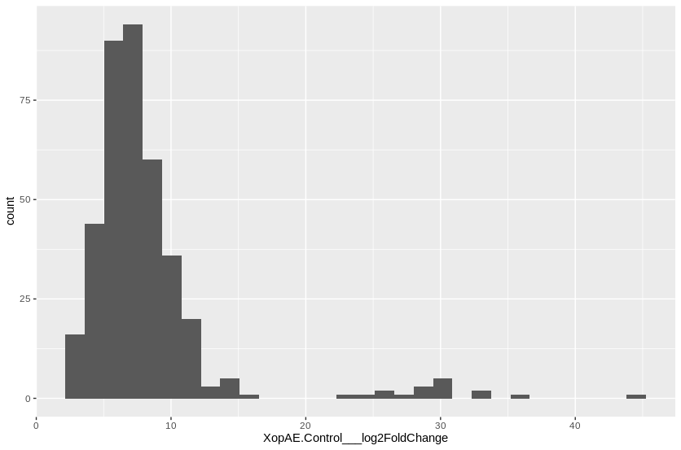
MANES_09G163800 | 1.8471346658E-15 | 30.526948434
MANES_18G120700 | 0.0028281298713 | 30.516207511
MANES_01G195300 | 3.4712036555E-18 | 30.027809961
MANES_08G029900 | 4.8489737264E-08 | 29.051864764
MANES_05G140600 | 0.00060040961531 | 28.361118055
MANES_04G143800 | 7.3704880415E-09 | 28.3589742
MANES_15G016500 | 4.2558064025E-16 | 26.861428829
MANES_01G059400 | 2.1216326857E-13 | 26.410143137
MANES_18G059800 | 1.6355699142E-07 | 25.594929952
MANES_13G038200 | 4.6179067141E-07 | 24.783636232
MANES_14G015600 | 0.00040357390027 | 23.392219116
MANES_15G005700 | 2.8308593676E-31 | 15.380959101
MANES_03G202500 | 7.4490563644E-18 | 14.659916748
MANES_07G126500 | 2.9708478915E-06 | 14.612423805
MANES_02G189600 | 0.00040475854859 | 14.475898699
MANES_08G067300 | 0.00097267511597 | 14.191848476
MANES_09G060200 | 7.8432951487E-12 | 14.133230458
MANES_09G096100 | 6.6748308252E-14 | 13.492023264
MANES_17G013000 | 6.4988250651E-13 | 13.465378457
MANES_10G037600 | 2.5475727707E-10 | 12.632148909
MANES_16G049700 | 2.937396059E-16 | 12.064162457
MANES_02G127400 | 3.5314935336E-09 | 12.059851643
MANES_15G163900 | 7.357750406E-19 | 12.046093434
MANES_07G139600 | 2.4608056528E-06 | 11.930609653
MANES_05G064600 | 8.8743746111E-23 | 11.800334333
MANES_06G076800 | 1.3674936664E-07 | 11.782861043
MANES_12G151900 | 2.8578116869E-05 | 11.672329476
MANES_09G039500 | 4.5793550848E-10 | 11.448875635
MANES_01G028300 | 2.5826754522E-10 | 11.41670778
MANES_09G060300 | 8.6564107626E-11 | 11.363717585
MANES_01G262800 | 2.5164501138E-14 | 11.322377884
MANES_06G148500 | 4.2130333558E-08 | 11.252427882
MANES_09G112500 | 6.3588921104E-15 | 11.246841979
MANES_15G182200 | 3.5314935336E-09 | 11.238630849
MANES_05G017000 | 1.0605974774E-11 | 11.235725359
MANES_08G103200 | 3.0923602367E-06 | 11.195176798
MANES_02G112700 | 7.2231385773E-12 | 11.187007837
MANES_13G119500 | 7.4490563644E-18 | 10.9599803
MANES_04G087000 | 3.6806817591E-07 | 10.934015503
MANES_04G034300 | 8.2710277886E-06 | 10.85278184
MANES_S095000 | 0.0062832354461 | 10.651368745
MANES_16G044500 | 0.00016586336156 | 10.625493865
MANES_11G014400 | 4.1502399307E-07 | 10.609363649
MANES_13G085600 | 2.1055440477E-06 | 10.586273209
MANES_01G193800 | 1.0218792138E-11 | 10.531880885
MANES_02G006900 | 1.686787065E-05 | 10.519305842
MANES_15G073100 | 0.00032198577839 | 10.444509438
MANES_01G132400 | 1.9268078948E-07 | 10.439886919
MANES_14G130600 | 2.7830985354E-06 | 10.352271965
MANES_13G030600 | 0.00045554031208 | 10.335090373
MANES_04G089100 | 0.0011535004918 | 10.323690617
MANES_17G063900 | 6.6730921436E-05 | 10.287334345
MANES_01G023900 | 1.9145498414E-05 | 10.245568789
MANES_02G023500 | 7.1079974331E-06 | 10.239497575
MANES_04G091900 | 4.485729676E-08 | 10.118264563
MANES_10G132200 | 4.445659386E-10 | 10.061844712
MANES_05G110700 | 9.4405520762E-09 | 10.029760246
MANES_07G114300 | 7.0301291011E-07 | 10.015816215
MANES_08G136000 | 1.1038320582E-05 | 9.9177003397
MANES_09G158200 | 1.8370224739E-11 | 9.8104481788
MANES_02G038000 | 1.7451741906E-07 | 9.7741440321
MANES_05G102400 | 0.00013386163813 | 9.6944019421
MANES_02G018900 | 0.0097885892732 | 9.6797419101
MANES_10G027700 | 0.00061787743184 | 9.6681666701
MANES_01G171400 | 4.6099044979E-08 | 9.6193442119
MANES_03G113400 | 7.1079974331E-06 | 9.612260673
MANES_06G058300 | 1.0957674596E-10 | 9.5836154679
MANES_02G107900 | 6.8765745965E-06 | 9.5242927632
MANES_02G038200 | 1.9268078948E-07 | 9.5087441955
MANES_08G106300 | 0.00072236661917 | 9.4807591498
MANES_07G131700 | 7.6586149692E-12 | 9.4603604132
MANES_08G172700 | 2.9507945453E-08 | 9.4423258003
MANES_09G107700 | 4.0934376074E-12 | 9.4303902779
MANES_04G040500 | 8.1855281799E-09 | 9.4169869981
MANES_14G059300 | 7.5527347499E-05 | 9.3968093783
MANES_13G118500 | 1.2445677641E-05 | 9.3569813007
MANES_10G095900 | 1.6271899316E-08 | 9.2758592868
MANES_16G114300 | 0.003729953097 | 9.2613472856
MANES_16G102100 | 0.00018813607343 | 9.2423514183
MANES_13G051700 | 1.8349463768E-11 | 9.1779931164
MANES_02G147600 | 3.0424740967E-11 | 9.1587100485
MANES_16G125200 | 0.00065424796865 | 9.1253349955
MANES_05G160500 | 0.0022658313286 | 9.0259338214
MANES_12G005500 | 1.746849211E-05 | 9.0057617952
MANES_09G143000 | 1.3317233485E-05 | 8.9837697097
MANES_01G252800 | 0.0011511820415 | 8.9653225435
MANES_08G022600 | 0.0096617332714 | 8.9625160268
MANES_01G223600 | 0.00013376067067 | 8.9475632554
MANES_13G068000 | 8.7460150512E-10 | 8.9159653607
MANES_10G077200 | 3.4879226906E-10 | 8.8493870671
MANES_18G120400 | 0.007206453052 | 8.8018901174
MANES_07G126300 | 1.2880247539E-05 | 8.7630217558
MANES_07G036700 | 0.0083093030451 | 8.7578711212
MANES_14G023000 | 1.9928380319E-09 | 8.7412345801
MANES_16G113000 | 1.9928380319E-09 | 8.6958255227
MANES_05G087900 | 0.0020459580154 | 8.6803248703
MANES_09G174600 | 2.7528624871E-06 | 8.6600064587
MANES_04G159300 | 0.0084974343977 | 8.6466335617
MANES_10G122900 | 0.0019637913319 | 8.6173842129
MANES_08G008400 | 3.9980664596E-05 | 8.5915428578
MANES_01G076900 | 0.0040114454036 | 8.563840887
MANES_01G097900 | 1.163657908E-07 | 8.5380665642
MANES_08G040900 | 0.0010862694058 | 8.4993365209
MANES_14G160700 | 1.7683332009E-05 | 8.4790905365
MANES_01G201400 | 0.0027086339849 | 8.444730432
MANES_12G149700 | 0.00067492431382 | 8.4390998187
MANES_11G012800 | 4.1090694671E-13 | 8.4357783193
MANES_03G052200 | 0.00019050837475 | 8.4065586219
MANES_15G080700 | 6.5582788946E-24 | 8.3423708233
MANES_03G211600 | 2.721697839E-05 | 8.3127300677
MANES_13G091100 | 4.4881936823E-06 | 8.3045039103
MANES_02G081300 | 0.0030176934451 | 8.2749942681
MANES_07G013300 | 3.6095415102E-07 | 8.2543389017
MANES_08G025500 | 3.6414998177E-05 | 8.2423372681
MANES_11G015800 | 0.0032709609599 | 8.2329468156
MANES_02G049300 | 0.00020527457245 | 8.2248273306
MANES_S095900 | 1.9847929471E-06 | 8.2029374376
MANES_03G183200 | 0.00013376067067 | 8.1653134573
MANES_07G130100 | 0.00031864573672 | 8.1617594292
MANES_10G039500 | 2.6292056799E-05 | 8.1492444999
MANES_06G125800 | 0.0054688378157 | 8.1334836794
MANES_04G116500 | 0.0069399664217 | 8.0995299338
MANES_13G078600 | 0.0052061552634 | 8.0872657816
MANES_11G085800 | 4.1768150444E-05 | 8.0687310848
MANES_03G086500 | 1.0422757925E-08 | 8.0484276359
MANES_11G014600 | 3.9194639195E-05 | 8.0355343483
MANES_11G150900 | 1.9738989739E-05 | 8.0292064544
MANES_S080400 | 1.5854880755E-09 | 8.011696572
MANES_11G026000 | 0.00040030072411 | 8.0109212071
MANES_14G056700 | 8.7954065906E-05 | 8.0008080118
MANES_11G154400 | 8.271468144E-11 | 7.9930116765
MANES_06G147600 | 0.0080873657722 | 7.9929758957
MANES_S033500 | 0.00043286772207 | 7.9843363611
MANES_04G078800 | 1.4516624627E-05 | 7.9667218112
MANES_05G143400 | 0.0017957097924 | 7.9547120828
MANES_06G061700 | 2.1429413921E-08 | 7.9205835278
MANES_14G151100 | 0.0032141469771 | 7.8905993265
MANES_14G125900 | 1.0042261476E-05 | 7.8878230501
MANES_10G052600 | 2.2655334594E-07 | 7.8768347984
MANES_10G111700 | 0.00011260462484 | 7.8740592639
MANES_07G054200 | 2.8578116869E-05 | 7.8528276896
MANES_03G063300 | 3.4879226906E-10 | 7.8507987866
MANES_17G068800 | 6.6856463391E-13 | 7.7865384517
MANES_14G001900 | 0.000372129972 | 7.7676653282
MANES_07G113100 | 0.0060321788819 | 7.7334514874
MANES_10G026400 | 0.0018534092826 | 7.7111472576
MANES_03G027700 | 0.00067492431382 | 7.7058801867
MANES_15G059800 | 2.1863180856E-05 | 7.6986173669
MANES_S027400 | 7.1079974331E-06 | 7.6850948493
MANES_16G123200 | 3.2007532911E-10 | 7.6836024366
MANES_15G079500 | 0.0079372555875 | 7.6821304697
MANES_11G081600 | 1.2019296363E-08 | 7.6252455277
MANES_04G035800 | 0.0010998895138 | 7.6181666527
MANES_09G179700 | 0.0067453284876 | 7.58415239
MANES_03G141300 | 2.4082124792E-05 | 7.5757681269
MANES_17G022600 | 1.2422519841E-06 | 7.5619165414
MANES_01G275000 | 7.3962341783E-08 | 7.546319828
MANES_02G113000 | 1.4901620645E-09 | 7.5098903675
MANES_06G176100 | 7.8829564597E-05 | 7.4972429073
MANES_03G033900 | 0.00023179787061 | 7.4809436646
MANES_17G100600 | 2.7885617675E-08 | 7.4803857216
MANES_05G171900 | 6.4287553123E-05 | 7.4548691747
MANES_04G149300 | 1.2316959935E-08 | 7.4419554163
MANES_06G120200 | 0.0045797668267 | 7.4333402666
MANES_10G004700 | 0.0034066555469 | 7.4306438465
MANES_01G273100 | 0.0052607364547 | 7.3945321493
MANES_01G236900 | 7.4183530904E-10 | 7.3809877687
MANES_06G129600 | 0.0052607364547 | 7.3655445598
MANES_01G084700 | 0.00022500836215 | 7.3607432385
MANES_05G097100 | 0.0001108294846 | 7.300596927
MANES_09G095700 | 0.00019565049636 | 7.3000521418
MANES_06G169500 | 0.0033165150704 | 7.2789178698
MANES_13G133400 | 9.8818194289E-05 | 7.2762666264
MANES_03G063400 | 8.6152744581E-06 | 7.2669483475
MANES_09G157100 | 7.0604728652E-12 | 7.230248135
MANES_17G064300 | 0.00031868788951 | 7.2221994488
MANES_05G195100 | 2.0277832477E-13 | 7.2168289913
MANES_02G090800 | 1.0798250638E-08 | 7.2013442045
MANES_06G092300 | 0.0031991862257 | 7.2009929566
MANES_01G125200 | 0.00066957479402 | 7.1904735837
MANES_02G117100 | 0.0018503073356 | 7.1873262408
MANES_18G060600 | 2.7558981803E-08 | 7.1532473184
MANES_11G129300 | 0.0068717033932 | 7.1491590007
MANES_01G074100 | 0.0093393225231 | 7.1485771535
MANES_02G022900 | 5.5400909038E-09 | 7.115676884
MANES_S060300 | 0.0054282273221 | 7.0997258579
MANES_05G150100 | 0.0021712736608 | 7.0877114396
MANES_09G000300 | 4.907761736E-06 | 7.0698065879
MANES_01G233500 | 0.0065637727342 | 7.0628718547
MANES_14G017800 | 0.00021798667107 | 7.0595582717
MANES_06G015800 | 0.0017094770483 | 7.0576471684
MANES_08G100700 | 0.0093748483456 | 7.0397319845
MANES_05G189000 | 0.0095731422817 | 7.0352766365
MANES_10G105500 | 0.0018398067077 | 7.0338196525
MANES_12G113200 | 0.001015213584 | 7.0084382425
MANES_15G136300 | 0.007206453052 | 6.9704625662
MANES_06G132400 | 0.0037632614531 | 6.9697275268
MANES_02G121000 | 5.9723261527E-06 | 6.9413100108
MANES_01G078100 | 0.00011627364799 | 6.8982228245
MANES_03G086700 | 0.00051532891562 | 6.8882992973
MANES_15G141500 | 0.0032824587127 | 6.8864526589
MANES_05G043800 | 0.00020527457245 | 6.8788946123
MANES_01G134800 | 0.00028677843757 | 6.8461022705
MANES_15G068900 | 7.1515966525E-06 | 6.8453624004
MANES_03G042600 | 1.5483184451E-05 | 6.8452525165
MANES_07G091500 | 0.00013358948286 | 6.818062838
MANES_14G016000 | 1.2880247539E-05 | 6.8070358426
MANES_02G056700 | 0.0038338958681 | 6.8052881856
MANES_14G118100 | 7.62461214E-07 | 6.7941227598
MANES_08G142400 | 0.00038900142063 | 6.7845796681
MANES_02G120100 | 0.00026841188061 | 6.7444284266
MANES_14G111600 | 0.0081418797063 | 6.7375231025
MANES_07G009700 | 0.00127625485 | 6.7371745474
MANES_15G006000 | 4.2623844377E-08 | 6.7098644349
MANES_15G062500 | 0.00073527464655 | 6.7062226764
MANES_02G093600 | 0.00040357390027 | 6.6880939073
MANES_01G117400 | 0.00086266278356 | 6.6646358577
MANES_11G144700 | 9.9754489355E-05 | 6.661176607
MANES_03G074000 | 0.00028683949925 | 6.6235160331
MANES_11G053500 | 0.0001741031034 | 6.5891360518
MANES_11G037600 | 0.00065249292016 | 6.5730657447
MANES_12G154100 | 5.1335902475E-08 | 6.5703653711
MANES_11G153700 | 0.00054355586144 | 6.5648193791
MANES_01G057400 | 0.00042787724879 | 6.5584107039
MANES_01G153800 | 3.0405359307E-06 | 6.5361910369
MANES_09G113900 | 0.0070212973778 | 6.5282368946
MANES_16G101900 | 0.00055217480229 | 6.5258405315
MANES_04G000100 | 1.1696605208E-10 | 6.4951879018
MANES_12G144000 | 5.8203169784E-07 | 6.4840422059
MANES_01G018600 | 0.00069959392663 | 6.4838575759
MANES_18G021300 | 0.0066435475398 | 6.4542816551
MANES_16G095100 | 1.8226306143E-11 | 6.4487600817
MANES_12G144200 | 2.2955516377E-09 | 6.4293613629
MANES_06G092900 | 3.7756911935E-06 | 6.4222272916
MANES_14G152700 | 0.00019988698484 | 6.4197389809
MANES_03G158100 | 0.00082948928588 | 6.407736213
MANES_11G077800 | 0.001531747144 | 6.392017382
MANES_01G163500 | 0.00097099430138 | 6.386851415
MANES_03G212700 | 5.800064646E-05 | 6.3583603255
MANES_05G204900 | 0.00012000893869 | 6.3497332262
MANES_16G033500 | 0.0066435475398 | 6.3051558179
MANES_14G173400 | 0.0046057659211 | 6.3007679533
MANES_01G217300 | 0.00084113419092 | 6.2999482125
MANES_S096100 | 2.0717851452E-06 | 6.257196823
MANES_04G140100 | 0.0019304915956 | 6.2564547347
MANES_08G010000 | 0.00022500836215 | 6.2415011594
MANES_06G137400 | 0.0026807320365 | 6.2332316982
MANES_16G016400 | 2.7643616707E-18 | 6.2220614336
MANES_13G029800 | 0.00072154440613 | 6.2195481234
MANES_06G048700 | 0.00021722346018 | 6.1857130996
MANES_05G024300 | 0.0020281904548 | 6.1635130271
MANES_S094200 | 0.0022925154923 | 6.1509818333
MANES_07G091600 | 0.0012377063717 | 6.1442694404
MANES_05G070500 | 0.0015523652165 | 6.0946457193
MANES_07G094900 | 0.0026701196938 | 6.0784751543
MANES_09G172200 | 0.0052914497266 | 6.0763774816
MANES_02G100800 | 9.2189478759E-05 | 6.0737283665
MANES_03G187800 | 0.0053252431793 | 6.0573067013
MANES_11G108400 | 1.7408978107E-05 | 6.0498308077
MANES_05G089300 | 0.00016005566095 | 6.0476869819
MANES_16G030000 | 5.362237599E-06 | 6.0435769729
MANES_01G008800 | 0.00055610774396 | 6.0411815351
MANES_08G127300 | 1.1290134055E-05 | 6.0386370939
MANES_S075500 | 0.0035958047489 | 6.0295627689
MANES_03G040700 | 0.00014117419265 | 6.0036275116
MANES_14G043900 | 5.551676846E-05 | 6.0008674308
MANES_09G110300 | 0.003497965418 | 5.9971360575
MANES_14G116200 | 1.2308751963E-14 | 5.9729617142
MANES_04G044100 | 0.00010276607563 | 5.9180005846
MANES_05G143200 | 0.0055104260637 | 5.9064084253
MANES_04G146600 | 0.0094810579558 | 5.8801528309
MANES_15G019500 | 7.1595058965E-05 | 5.8789632633
MANES_08G008000 | 0.0068773972023 | 5.8663657546
MANES_S025100 | 4.7293166857E-06 | 5.852310117
MANES_S029900 | 8.4106049286E-06 | 5.8079954322
MANES_01G043500 | 0.0011529955162 | 5.7901045283
MANES_14G153800 | 0.0029206703471 | 5.7875509466
MANES_02G154600 | 6.1196836616E-08 | 5.7736870392
MANES_10G045200 | 1.2880247539E-05 | 5.7554842159
MANES_S012900 | 0.0001871311277 | 5.7502144284
MANES_03G117700 | 0.0027274308268 | 5.7484010379
MANES_03G182700 | 0.00013124340803 | 5.7299837439
MANES_06G152500 | 0.0027684270798 | 5.721265257
MANES_02G108200 | 0.0058809683874 | 5.6974289968
MANES_04G116000 | 0.0094143017466 | 5.6892768214
MANES_06G152100 | 0.0013715030507 | 5.6527904011
MANES_18G033200 | 0.00043406224238 | 5.6452077661
MANES_16G137700 | 0.0013216758043 | 5.6255750682
MANES_09G142400 | 0.0029547055823 | 5.5659798773
MANES_05G119900 | 0.0073746784417 | 5.5486795214
MANES_10G061400 | 0.0022632952921 | 5.5282449017
MANES_06G081300 | 0.0027086339849 | 5.5180718092
MANES_13G149900 | 0.0068717033932 | 5.5123591676
MANES_09G175600 | 0.00067845367065 | 5.5064923123
MANES_18G013500 | 8.0665631675E-06 | 5.5023001481
MANES_01G256200 | 0.005081777158 | 5.479863564
MANES_07G066800 | 0.00067492431382 | 5.458911882
MANES_11G096700 | 0.0020949431872 | 5.4390448475
MANES_08G010600 | 0.0020154764388 | 5.4083912946
MANES_02G195400 | 0.0026610330889 | 5.3808323868
MANES_06G117700 | 0.0045445298502 | 5.375043024
MANES_16G022700 | 0.00062964828504 | 5.3616120998
MANES_06G146300 | 8.0665631675E-06 | 5.3400927136
MANES_12G143900 | 1.4459326724E-05 | 5.2906962826
MANES_04G116300 | 0.0054688378157 | 5.2880255236
MANES_17G108200 | 0.0061013960455 | 5.2441501823
MANES_17G008400 | 0.0045016342959 | 5.221394311
MANES_15G058700 | 0.00073568837079 | 5.2196873383
MANES_13G147900 | 0.0017104267238 | 5.2180218136
MANES_17G019500 | 0.00020124306235 | 5.1875186098
MANES_S031800 | 0.0027086339849 | 5.1830948263
MANES_13G068200 | 2.4468058166E-10 | 5.1733269177
MANES_04G071200 | 0.00055198335308 | 5.1547874996
MANES_07G004400 | 0.00037849837059 | 5.13981196
MANES_04G101700 | 0.0046005195883 | 5.1344788216
MANES_02G053000 | 9.2497656693E-05 | 5.1297795829
MANES_15G058400 | 0.0015141765877 | 5.1249644749
MANES_18G018400 | 8.3278933392E-09 | 5.1185604164
MANES_17G022300 | 0.00082089865355 | 5.113578286
MANES_04G150100 | 0.0010718562464 | 5.1054104105
MANES_09G080000 | 0.0012393955731 | 5.0110879021
MANES_07G070200 | 0.0053762913215 | 4.992281245
MANES_02G007700 | 0.0061303253969 | 4.9784713053
MANES_12G150600 | 0.00020952973794 | 4.9715331241
MANES_01G052500 | 0.00084937555403 | 4.890912811
MANES_03G001100 | 0.0016630462348 | 4.8724340725
MANES_10G078800 | 0.002273098329 | 4.8236859638
MANES_04G134400 | 0.0019304915956 | 4.759430771
MANES_18G116300 | 1.7408978107E-05 | 4.7574808698
MANES_02G110400 | 0.0038338958681 | 4.7333258278
MANES_05G006300 | 0.0023122442657 | 4.7025760179
MANES_04G165200 | 1.746849211E-05 | 4.6593575229
MANES_S094300 | 0.006848222767 | 4.6479884923
MANES_11G076300 | 0.0001116992 | 4.6377727333
MANES_12G028800 | 0.0044265990705 | 4.6364608633
MANES_04G094200 | 8.3876449167E-06 | 4.6309596564
MANES_05G060700 | 0.0029989337431 | 4.6281642463
MANES_16G000600 | 0.0046176601169 | 4.610529231
MANES_05G030000 | 0.0099672170925 | 4.5798343256
MANES_09G145900 | 6.6888412247E-11 | 4.5451394352
MANES_06G155500 | 0.0066539709814 | 4.4846635032
MANES_18G022300 | 0.00013124340803 | 4.4615808242
MANES_04G124600 | 0.00094815526149 | 4.459385062
MANES_04G083400 | 0.00050829699453 | 4.4505817924
MANES_03G041500 | 0.0061013960455 | 4.4092826711
MANES_04G010600 | 0.0042353768202 | 4.3948992801
MANES_15G109300 | 0.00031868788951 | 4.3882916646
MANES_02G161800 | 0.00069959392663 | 4.3869629981
MANES_02G129800 | 0.0036470862678 | 4.3785614499
MANES_S110800 | 0.0013186461609 | 4.266245365
MANES_05G192400 | 0.00063891920366 | 4.2576066492
MANES_11G105100 | 0.0032904273064 | 4.2492038138
MANES_16G071400 | 0.0019823320898 | 4.0801219741
MANES_12G132300 | 2.7023246308E-07 | 4.0419312611
MANES_01G027100 | 0.0019021281158 | 4.0387110831
MANES_13G102500 | 0.0015527715325 | 3.9113546033
MANES_17G055100 | 0.004703569971 | 3.9082525787
MANES_S098800 | 0.0018615087241 | 3.873949669
MANES_04G018000 | 0.0023283560925 | 3.8685725272
MANES_04G083800 | 0.0020623616865 | 3.8300177717
MANES_06G126000 | 0.0010031062383 | 3.8260373957
MANES_S110400 | 0.0030109113485 | 3.8040890466
MANES_12G124000 | 0.0004827616852 | 3.7716905598
MANES_09G179800 | 0.0018906056078 | 3.7065684057
MANES_01G112600 | 0.0012749585205 | 3.441880599
MANES_09G007300 | 0.00089443552307 | 3.4306442748
MANES_14G110100 | 0.001055719203 | 3.4256736346
MANES_03G150000 | 0.00063446500783 | 3.4048953607
MANES_03G060000 | 1.3406365142E-07 | 3.3961081718
MANES_14G173500 | 0.00073527464655 | 3.3491327972
MANES_18G065800 | 0.0079372555875 | 3.2867148716
MANES_02G030700 | 0.0087534975513 | 3.0902924605
MANES_06G172600 | 0.00072154440613 | 3.006751127
MANES_03G028300 | 9.2796824639E-06 | 3.0064291201
MANES_11G075100 | 0.0037749378245 | 2.9595184491
MANES_08G067800 | 0.002786057131 | 2.8623026933
MANES_14G167100 | 0.0038393193702 | 2.6708409791
MANES_08G033900 | 4.36741501E-05 | 2.6707360571
MANES_05G056000 | 0.00079576519079 | 2.6416558816
MANES_S022600 | 0.0089429034981 | 2.4929244698

XopAG list
Row.names | XopAG.Control___padj | XopAG.Control___log2FoldChange | Cuantiles | Valor límite LOG2 fold change
MANES_02G189600 | 1.6506227341E-45 | 47.963225099 | 0.05 | 4.35869
MANES_16G060500 | 8.2292575936E-54 | 42.225089415 | 0.25 | 6.225134
MANES_15G152500 | 1.2019823114E-22 | 39.548641056 | 0.5 | 7.71096
MANES_18G120700 | 0.0056714758088 | 31.997554301 | 0.75 | 9.212985
MANES_09G119300 | 0.0064452788789 | 31.689977866 | 0.95 | 12.061988
MANES_05G140600 | 0.001740774092 | 28.884518129
MANES_06G094100 | 7.976417804E-10 | 27.954161325
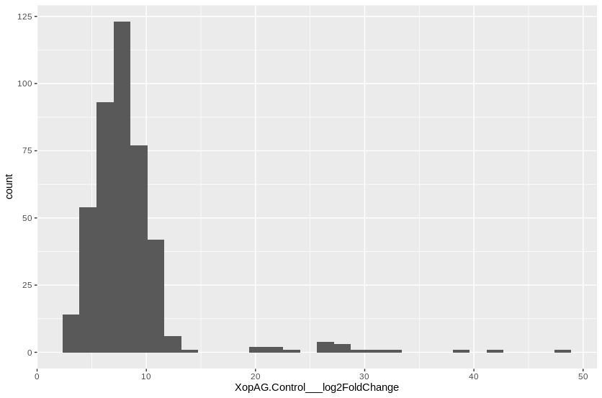
MANES_03G060700 | 1.0025283608E-08 | 27.468653253
MANES_09G163800 | 7.2708887341E-12 | 27.354161517
MANES_02G151400 | 2.7805414244E-09 | 26.888589725
MANES_01G059400 | 3.1485550117E-13 | 26.802300797
MANES_13G038200 | 1.5633465246E-07 | 26.732145108
MANES_15G016500 | 6.653067473E-15 | 26.396444338
MANES_01G195300 | 3.131132586E-10 | 23.291089971
MANES_14G015600 | 0.0028083868607 | 22.44397606
MANES_15G089100 | 1.2829074553E-11 | 21.348615972
MANES_04G143800 | 0.00062622410211 | 20.196347075
MANES_18G059800 | 0.00035283125191 | 20.149262325
MANES_01G198900 | 3.4783597839E-05 | 14.138500433
MANES_02G209900 | 8.4536128565E-07 | 12.854282586
MANES_04G034300 | 5.0470567554E-07 | 12.613253523
MANES_07G139600 | 5.8318742275E-06 | 12.178583898
MANES_04G149300 | 1.098132603E-20 | 11.845452519
MANES_04G154600 | 5.3035482463E-05 | 11.72481141
MANES_08G010800 | 8.8119530372E-05 | 11.716479105
MANES_07G098700 | 0.0011621067937 | 11.618837193
MANES_15G192200 | 0.0050626394351 | 11.529663224
MANES_02G107900 | 9.8473851501E-08 | 11.513548295
MANES_05G102400 | 1.4138076164E-05 | 11.474680606
MANES_04G089100 | 0.0010639266232 | 11.346733268
MANES_16G113000 | 1.1872030502E-14 | 11.204746198
MANES_04G116500 | 0.0002760779216 | 11.176825922
MANES_01G201400 | 0.00011056493183 | 11.172377998
MANES_01G043500 | 2.6208660378E-11 | 11.057517979
MANES_07G126500 | 0.00289616822 | 11.034514296
MANES_01G028300 | 6.070145644E-09 | 11.002201397
MANES_13G142300 | 2.7081288691E-05 | 10.976785411
MANES_06G027600 | 7.6590768076E-11 | 10.971361595
MANES_04G040500 | 7.5286223908E-11 | 10.808992747
MANES_05G064600 | 2.4448482393E-18 | 10.740096542
MANES_12G116600 | 0.00029818256917 | 10.732658096
MANES_08G136000 | 6.4285327715E-06 | 10.715397887
MANES_02G112700 | 2.5717008607E-10 | 10.708814053
MANES_17G013000 | 1.0390263367E-07 | 10.700319798
MANES_04G093100 | 1.1073167656E-06 | 10.698800573
MANES_13G030600 | 0.0013026630566 | 10.526982746
MANES_15G182200 | 2.3047354579E-07 | 10.472469875
MANES_14G059200 | 3.8029448906E-05 | 10.435209044
MANES_01G256200 | 7.6282114928E-09 | 10.434026234
MANES_15G069600 | 0.0091142427924 | 10.432293246
MANES_02G099900 | 0.00076068792344 | 10.428086987
MANES_06G076800 | 2.1825529158E-05 | 10.401278581
MANES_08G003900 | 0.0030742207421 | 10.384849847
MANES_13G051700 | 6.9104719057E-14 | 10.369123536
MANES_12G005500 | 2.080258618E-06 | 10.356589835
MANES_03G060800 | 0.0042916018028 | 10.351183848
MANES_01G209800 | 0.0014987052812 | 10.344953566
MANES_15G163900 | 2.7243415596E-13 | 10.307430738
MANES_15G058400 | 9.0646257188E-13 | 10.298479675
MANES_05G132100 | 0.00010891671353 | 10.289713101
MANES_08G056700 | 9.9807066597E-07 | 10.266082114
MANES_S033500 | 9.4898364558E-06 | 10.260759768
MANES_05G108500 | 0.00029427970792 | 10.258452294
MANES_06G176100 | 6.2512863575E-08 | 10.256044299
MANES_06G129200 | 0.00043689261046 | 10.203218424
MANES_06G053300 | 0.0041262861632 | 10.137087713
MANES_15G004800 | 0.0017797407382 | 10.10004738
MANES_11G053500 | 4.4229701353E-09 | 10.032307041
MANES_06G123000 | 0.0087725935 | 10.025730475
MANES_01G051700 | 0.0020291664174 | 10.014952349
MANES_10G027700 | 0.0013861921525 | 9.9961134308
MANES_05G017000 | 1.2508778449E-08 | 9.9549821655
MANES_S095900 | 1.6903091369E-08 | 9.8927562513
MANES_03G113400 | 1.4138076164E-05 | 9.8861559707
MANES_16G123200 | 6.0572748577E-16 | 9.8761583693
MANES_01G032100 | 0.00028761394256 | 9.8548010102
MANES_04G159300 | 0.0072240941785 | 9.8290939908
MANES_08G034300 | 0.00029152336286 | 9.7896200555
MANES_04G087000 | 3.4828440683E-05 | 9.7579033495
MANES_10G077200 | 1.3608598043E-11 | 9.7343910702
MANES_15G179900 | 2.5618882121E-14 | 9.695198838
MANES_18G120400 | 0.0087400302474 | 9.6888317979
MANES_11G026100 | 0.0035499910075 | 9.668594444
MANES_08G100700 | 0.00057753960562 | 9.5906236479
MANES_10G105500 | 2.6432683726E-05 | 9.5625148628
MANES_03G033900 | 4.3215075738E-06 | 9.5514427959
MANES_13G024100 | 0.00010344497074 | 9.5397542189
MANES_05G143200 | 3.8375927013E-06 | 9.5396140374
MANES_05G160500 | 0.0039996615845 | 9.5318114834
MANES_01G132400 | 1.1880133735E-05 | 9.53101037
MANES_13G039100 | 5.4669073811E-06 | 9.4599860197
MANES_01G073700 | 2.2229262531E-05 | 9.4543439568
MANES_01G149200 | 6.1730303377E-06 | 9.4389243888
MANES_13G068000 | 2.9246910293E-10 | 9.4347353645
MANES_01G236000 | 0.00044411239148 | 9.4175762523
MANES_03G092400 | 0.0061637345298 | 9.3876363737
MANES_01G171400 | 5.1136485637E-07 | 9.3806834883
MANES_15G064900 | 0.00016713299152 | 9.3764950097
MANES_17G083500 | 3.063466313E-05 | 9.3545947319
MANES_03G011200 | 0.00016023367724 | 9.35319157
MANES_10G026400 | 0.00032844025227 | 9.3479728222
MANES_17G022600 | 3.1108968795E-09 | 9.3435122988
MANES_15G156600 | 0.00052965737554 | 9.3328291363
MANES_03G037800 | 2.2847961168E-06 | 9.3026885375
MANES_12G113200 | 1.9910669567E-05 | 9.2711246652
MANES_12G007900 | 0.0052469171752 | 9.2699221087
MANES_16G101900 | 8.690648627E-07 | 9.2604558449
MANES_10G111700 | 1.538782586E-05 | 9.1971614439
MANES_02G161800 | 7.155519042E-15 | 9.1426807938
MANES_06G123100 | 0.00015074804591 | 9.1006615216
MANES_15G060800 | 0.0080479914656 | 9.0950511232
MANES_10G095900 | 1.5633465246E-07 | 9.0912777755
MANES_11G014600 | 9.1018362814E-06 | 9.0806193221
MANES_04G156900 | 0.004312810316 | 9.076722611
MANES_03G063400 | 2.8502771648E-08 | 9.0655316859
MANES_01G023200 | 9.685696303E-05 | 9.0583469714
MANES_16G049700 | 1.0663528197E-08 | 9.0528565723
MANES_S080400 | 2.1851733243E-11 | 9.0522107834
MANES_08G142400 | 2.7942669782E-06 | 9.0437046159
MANES_15G123600 | 7.1944849936E-06 | 9.0311160104
MANES_03G099600 | 9.6141567412E-05 | 9.0064172151
MANES_04G025400 | 0.0011225538415 | 8.9923135216
MANES_09G115700 | 3.6107054612E-07 | 8.9881170363
MANES_15G015900 | 2.4434072425E-05 | 8.9732419856
MANES_05G087900 | 0.0049405585185 | 8.9647142257
MANES_05G150100 | 0.0001156652808 | 8.9580204944
MANES_15G144300 | 0.00026169755422 | 8.9254804123
MANES_12G032900 | 4.5694205861E-06 | 8.92028285
MANES_15G172000 | 0.00034230201854 | 8.9133034581
MANES_11G014400 | 0.0001496496187 | 8.8978281412
MANES_05G020900 | 2.1140160703E-05 | 8.8443045914
MANES_09G157100 | 7.9904532495E-17 | 8.7892975557
MANES_16G057900 | 0.0010639266232 | 8.7827031398
MANES_13G085600 | 0.00053535560258 | 8.781046012
MANES_06G162500 | 0.0036434975713 | 8.717337922
MANES_02G019200 | 3.7370431354E-13 | 8.7108484001
MANES_13G078600 | 0.0077195200366 | 8.696921815
MANES_09G147100 | 0.0099029378379 | 8.6880276616
MANES_10G047500 | 0.0036405853132 | 8.6287043384
MANES_03G063300 | 1.8387486711E-11 | 8.5905730014
MANES_01G032500 | 3.0889147619E-07 | 8.5818926205
MANES_01G008000 | 9.7488350198E-07 | 8.5759530513
MANES_14G081900 | 0.00531854159 | 8.5581674685
MANES_02G038000 | 3.2128485065E-05 | 8.5501060831
MANES_09G158200 | 3.7122180168E-08 | 8.5393575868
MANES_01G023900 | 0.0022253986682 | 8.5391672271
MANES_09G179700 | 0.0063126853322 | 8.526395414
MANES_03G187800 | 9.3279051039E-05 | 8.5052720337
MANES_04G146600 | 0.00019412387596 | 8.4888371968
MANES_02G090800 | 3.6345434809E-11 | 8.4207085043
MANES_06G117700 | 5.2415032317E-06 | 8.4201052946
MANES_08G040900 | 0.0045598260778 | 8.4191227051
MANES_15G062500 | 4.1105238101E-05 | 8.4187672522
MANES_09G039500 | 4.7414063936E-05 | 8.4178484346
MANES_15G127700 | 0.0021948000528 | 8.3790602392
MANES_13G091100 | 1.538782586E-05 | 8.3584363555
MANES_02G127600 | 0.00087494272898 | 8.3507306123
MANES_14G033900 | 1.567615332E-12 | 8.3434274415
MANES_14G016000 | 1.6711198181E-07 | 8.3318777695
MANES_02G038200 | 3.5366700467E-05 | 8.3076104731
MANES_S027400 | 3.7706806953E-06 | 8.3030283945
MANES_17G072300 | 0.00016852124905 | 8.2920433721
MANES_10G052600 | 1.9810725917E-07 | 8.2794829802
MANES_14G151100 | 0.0065425701808 | 8.2732029165
MANES_03G189000 | 0.0089461460462 | 8.2608691642
MANES_01G152400 | 0.00025146498723 | 8.2565121064
MANES_17G075600 | 0.0045077097141 | 8.2446059653
MANES_04G076300 | 5.0014413423E-05 | 8.2297891711
MANES_17G022700 | 0.00011398445105 | 8.2053643757
MANES_13G118500 | 0.00073219990202 | 8.1910361819
MANES_03G086500 | 2.2047284997E-08 | 8.1910285221
MANES_04G078800 | 3.8771009752E-05 | 8.1168389441
MANES_07G096700 | 0.0024964399011 | 8.1119118796
MANES_02G113000 | 2.0420490335E-10 | 8.0941231427
MANES_07G054200 | 5.4338839792E-05 | 8.0811302883
MANES_04G101700 | 4.0173935787E-06 | 8.0795002968
MANES_06G058300 | 4.7758367618E-07 | 8.0551460258
MANES_04G013800 | 0.0078552795735 | 8.0396044117
MANES_04G001300 | 0.002223545014 | 8.034744124
MANES_S060300 | 0.0042916018028 | 8.0246049606
MANES_16G057800 | 0.0024247490593 | 8.0103896254
MANES_18G069100 | 0.00011245247391 | 7.9939258168
MANES_15G068900 | 3.6107054612E-07 | 7.9914980341
MANES_15G040600 | 2.2303227499E-06 | 7.9847959402
MANES_12G014300 | 7.3412725577E-05 | 7.9786563487
MANES_17G054700 | 0.00036996155377 | 7.9479503893
MANES_12G144000 | 1.5567810866E-09 | 7.9384542467
MANES_16G076400 | 0.00065896783277 | 7.9312185133
MANES_14G010300 | 0.0030287579572 | 7.9256804133
MANES_15G069200 | 3.8681319077E-07 | 7.919547693
MANES_01G265800 | 2.8427487364E-06 | 7.9152848784
MANES_02G108200 | 0.00016252867073 | 7.9124051305
MANES_17G100600 | 1.5985759988E-08 | 7.9093363751
MANES_07G070200 | 6.2176725391E-06 | 7.9045037125
MANES_04G071200 | 4.7388039962E-08 | 7.9016658522
MANES_09G179000 | 0.00098180073671 | 7.8995399269
MANES_12G144200 | 3.4884431168E-13 | 7.8805152902
MANES_06G120200 | 0.0083874768837 | 7.872304425
MANES_02G089700 | 0.00044733786867 | 7.8696388262
MANES_05G060700 | 1.1047052855E-07 | 7.8548246101
MANES_05G135500 | 0.005226905544 | 7.8517680987
MANES_08G008400 | 0.00091076593139 | 7.8401426346
MANES_08G114600 | 0.006102949943 | 7.8250697831
MANES_14G118100 | 2.5500285272E-08 | 7.8100687769
MANES_05G110700 | 6.9389791741E-05 | 7.8063139005
MANES_16G055900 | 9.6141567412E-05 | 7.7865232861
MANES_16G124700 | 9.4333417397E-05 | 7.7716215371
MANES_02G168800 | 0.0019984984528 | 7.7672811358
MANES_02G035300 | 0.0051177878107 | 7.764426995
MANES_14G165400 | 0.00035657165191 | 7.7606039616
MANES_16G000600 | 6.6410208507E-07 | 7.7545402261
MANES_13G129900 | 2.2847961168E-06 | 7.7472805598
MANES_07G009700 | 0.00053707972229 | 7.7374555094
MANES_09G061900 | 0.00027334531754 | 7.721239686
MANES_16G095100 | 1.5081120386E-15 | 7.7006799267
MANES_11G153700 | 0.00011056493183 | 7.7006662437
MANES_06G137400 | 0.00042344230387 | 7.6994262139
MANES_03G040700 | 1.8335632103E-06 | 7.67892556
MANES_17G122100 | 2.115398659E-08 | 7.6778735441
MANES_12G031000 | 0.0052503960594 | 7.6603620181
MANES_12G092800 | 0.00062059710516 | 7.6437948613
MANES_12G111700 | 0.00036944848083 | 7.6261508885
MANES_16G002400 | 9.1018362814E-06 | 7.5827476031
MANES_02G154600 | 9.0137722532E-13 | 7.5796245259
MANES_05G133100 | 0.00051834410369 | 7.5706761736
MANES_02G178700 | 8.6297830573E-11 | 7.5659253962
MANES_18G078400 | 0.009969375829 | 7.5648881415
MANES_03G211600 | 0.00073404609674 | 7.5471568656
MANES_18G021300 | 0.0033055252199 | 7.5456204321
MANES_07G126300 | 0.001011896793 | 7.535272497
MANES_06G148500 | 0.0023471960582 | 7.5216252758
MANES_03G150200 | 1.0650034541E-05 | 7.5105879336
MANES_11G154400 | 5.9180580523E-09 | 7.5053797911
MANES_14G059400 | 0.00061838273577 | 7.498365472
MANES_15G110600 | 2.7257978468E-06 | 7.476443097
MANES_03G052200 | 0.0047600524846 | 7.4167738738
MANES_11G011700 | 1.5048712877E-06 | 7.4107933198
MANES_14G153800 | 0.00015732020621 | 7.4065812674
MANES_03G183200 | 0.0026628209861 | 7.3829859885
MANES_18G060600 | 4.7388039962E-08 | 7.3408150256
MANES_08G015700 | 2.8202715699E-05 | 7.3366369336
MANES_05G195100 | 3.4884431168E-13 | 7.3106948686
MANES_04G066900 | 3.8905383847E-24 | 7.306928392
MANES_18G017100 | 0.0015571971988 | 7.3022999736
MANES_05G204900 | 2.2703155876E-05 | 7.299763356
MANES_01G008800 | 6.9876523018E-05 | 7.2679881338
MANES_04G003400 | 5.7881422183E-06 | 7.2638814866
MANES_01G221300 | 0.00057753960562 | 7.260263127
MANES_02G121000 | 8.7526210654E-06 | 7.2146222058
MANES_13G122600 | 0.0049405585185 | 7.2082235293
MANES_03G191800 | 8.1429864826E-05 | 7.1881359808
MANES_11G077800 | 0.0010789302262 | 7.1472719311
MANES_02G120100 | 0.00040310165606 | 7.1263955296
MANES_06G155500 | 9.7219877815E-06 | 7.1083419177
MANES_01G135300 | 0.0092455591401 | 7.0911065289
MANES_11G085800 | 0.0017375950545 | 7.0869415648
MANES_03G055000 | 0.0064516779726 | 7.0837773906
MANES_04G091900 | 0.0012255828282 | 7.0708667922
MANES_02G040300 | 0.0019187927 | 7.0588197788
MANES_09G143000 | 0.0040208486243 | 7.0578419294
MANES_02G041600 | 0.00055313076321 | 7.0515213515
MANES_S061400 | 3.6419437167E-05 | 7.0271799987
MANES_16G033500 | 0.0067373457321 | 7.0261962198
MANES_01G163500 | 0.00077971170448 | 7.0240624697
MANES_09G157400 | 0.0079293346775 | 7.0206285655
MANES_15G169000 | 0.0049405585185 | 7.0144053595
MANES_05G003600 | 0.0018400463991 | 6.9959785778
MANES_01G017300 | 0.0023954503869 | 6.9496978948
MANES_15G136100 | 0.0046540688476 | 6.9487420937
MANES_11G037600 | 0.0010479909004 | 6.9438958469
MANES_13G133400 | 0.00088350231937 | 6.940466581
MANES_12G143900 | 1.6445870831E-08 | 6.9198595665
MANES_16G001700 | 0.0045286488586 | 6.9111369719
MANES_01G217300 | 0.00076818934331 | 6.8951148392
MANES_17G022300 | 7.6550231205E-06 | 6.8632700012
MANES_12G108400 | 0.001324339961 | 6.8618623519
MANES_18G111000 | 1.9220871688E-06 | 6.8532643044
MANES_10G045300 | 0.0025217876021 | 6.8475834315
MANES_17G053100 | 0.0066520529951 | 6.8183836061
MANES_10G039500 | 0.0026105873379 | 6.8091065306
MANES_17G022200 | 0.0024763007449 | 6.8060746765
MANES_16G016400 | 2.7527275204E-21 | 6.7893844501
MANES_01G084700 | 0.0030625294329 | 6.7763727584
MANES_06G136700 | 2.369327471E-08 | 6.7640165076
MANES_12G028800 | 2.3918951653E-05 | 6.7444740128
MANES_06G092900 | 4.2492796599E-06 | 6.7350855284
MANES_05G006300 | 1.4120524026E-05 | 6.7179239024
MANES_18G031600 | 0.00045199699478 | 6.6886010952
MANES_09G183700 | 0.0014322809317 | 6.6626003356
MANES_S075500 | 0.0036722333439 | 6.6591193323
MANES_02G067400 | 0.0054229155239 | 6.6489956087
MANES_15G181500 | 1.0873243207E-05 | 6.6455532481
MANES_S025100 | 6.659736145E-07 | 6.5862837285
MANES_06G110100 | 3.063466313E-05 | 6.5698249501
MANES_13G147900 | 0.00015751167946 | 6.5289955837
MANES_15G061100 | 4.1160901252E-07 | 6.5209354165
MANES_13G106000 | 0.0004223048071 | 6.5126968932
MANES_01G052500 | 1.1880133735E-05 | 6.4887496493
MANES_17G091600 | 0.0008166622948 | 6.4742329707
MANES_11G081600 | 1.061911137E-05 | 6.4517550307
MANES_09G112500 | 0.00012550271997 | 6.4364076073
MANES_15G109300 | 9.8473851501E-08 | 6.4135645954
MANES_01G078100 | 0.0016173363138 | 6.4029350666
MANES_03G117700 | 0.0022994045862 | 6.3887005056
MANES_15G058700 | 7.2212535598E-05 | 6.3879550738
MANES_02G022900 | 1.1326042614E-06 | 6.3787095501
MANES_07G094900 | 0.0053153482048 | 6.3725089397
MANES_01G137500 | 0.0020709956163 | 6.3713187311
MANES_04G044100 | 7.647741684E-05 | 6.3665127229
MANES_01G192600 | 0.0023688305055 | 6.3642662768
...

XopAK list
Row.names | XopAK.Control___padj | XopAK.Control___log2FoldChange | Cuantiles | Valor límite LOG2 fold change
MANES_02G189600 | 2.7333260755E-54 | 52.205907687 | 0.05 | 3.353503
MANES_16G060500 | 6.297486422E-56 | 43.104240715 | 0.25 | 5.32051
MANES_15G152500 | 3.9993497533E-16 | 34.311368899 | 0.5 | 6.893956
MANES_15G089100 | 5.7123625228E-33 | 32.10304479 | 0.75 | 9.452523
MANES_06G094100 | 9.0420525445E-12 | 29.844649511 | 0.95 | 14.272404
MANES_08G029900 | 7.2046588747E-07 | 27.042056202
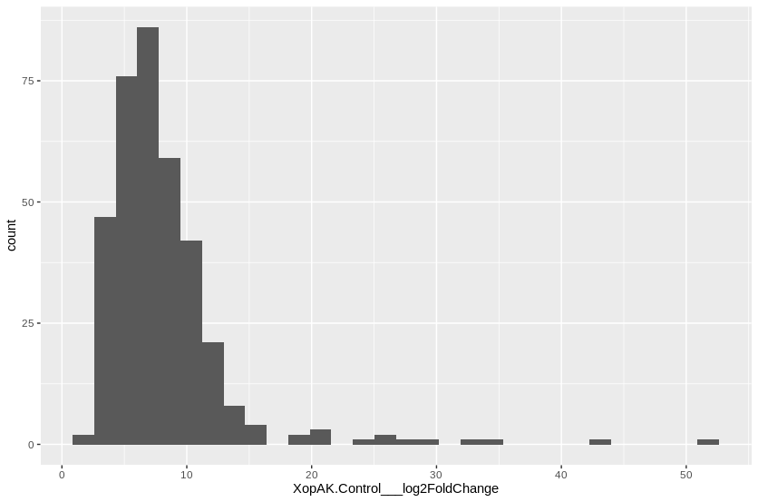
MANES_14G061200 | 0.0005725257857 | 26.333120352
MANES_04G143800 | 3.8738493273E-07 | 25.56088602
MANES_09G163800 | 2.7369689405E-10 | 24.978672838
MANES_01G195300 | 1.0578276728E-08 | 21.453317665
MANES_01G059400 | 3.6218714874E-08 | 21.028577404
MANES_02G151400 | 3.5921659775E-05 | 19.914006306
MANES_18G059800 | 0.00023034348362 | 19.48970997
MANES_03G060700 | 0.00026559156474 | 18.785375653
MANES_09G004900 | 3.0080912239E-09 | 16.08803834
MANES_11G149200 | 2.2891870996E-07 | 15.623656366
MANES_13G034000 | 0.00071950778001 | 15.026897039
MANES_09G031000 | 0.0007361879417 | 14.768703361
MANES_12G045900 | 0.0020426364765 | 14.217259474
MANES_04G009100 | 2.7585048828E-16 | 14.035987448
MANES_16G125200 | 3.6733553615E-08 | 13.887660488
MANES_09G004200 | 0.00021662836924 | 13.547691109
MANES_14G003100 | 0.0001632102697 | 13.32994717
MANES_01G137600 | 9.7944176029E-06 | 13.303750628
MANES_13G078600 | 7.2046588747E-07 | 13.179591493
MANES_16G023500 | 3.2895518302E-05 | 13.159552423
MANES_01G002500 | 1.5598206783E-12 | 12.924906777
MANES_04G142600 | 1.5027168306E-10 | 12.762656195
MANES_03G095300 | 1.4896287212E-08 | 12.742794859
MANES_01G159000 | 0.00036580692817 | 12.709576357
MANES_15G187200 | 3.352135574E-06 | 12.579663302
MANES_01G136800 | 1.5446478346E-06 | 12.541361168
MANES_08G005600 | 0.003030989315 | 12.42996465
MANES_02G041700 | 0.004179547087 | 12.375812421
MANES_13G114000 | 0.0089113986603 | 12.184465017
MANES_14G129500 | 0.0010354793784 | 12.124262038
MANES_09G000200 | 2.0964601849E-05 | 12.022874423
MANES_04G034300 | 7.9298634942E-07 | 11.971389838
MANES_04G068100 | 2.6887129474E-18 | 11.788729049
MANES_18G079600 | 6.5878223993E-07 | 11.680252262
MANES_06G147500 | 4.0768523013E-25 | 11.615541614
MANES_02G155500 | 5.6793328032E-18 | 11.529661619
MANES_14G022200 | 1.5237059416E-16 | 11.445345745
MANES_17G074300 | 2.4325381094E-06 | 11.433856178
MANES_13G154900 | 0.0033526029244 | 11.398412976
MANES_02G110400 | 2.5758587892E-15 | 11.347270063
MANES_03G048700 | 2.1489223448E-18 | 11.262538885
MANES_S059900 | 6.6812114712E-05 | 11.202289765
MANES_14G023800 | 0.0011240043955 | 11.135696278
...

XopAO1 list
Row.names | XopAO1.Control___padj | XopAO1.Control___log2FoldChange | Cuantiles | Valor límite LOG2 fold change
MANES_02G189600 | 2.5206346123E-37 | 44.351199822 | 0.05 | 4.137888
MANES_15G152500 | 9.5219204629E-14 | 32.941887756 | 0.25 | 6.140444
MANES_16G060500 | 5.2749871844E-21 | 29.937011099 | 0.5 | 7.650911
MANES_15G089100 | 7.2780779562E-19 | 25.268116871 | 0.75 | 9.093302
MANES_09G163800 | 5.7517658911E-08 | 24.245766164 | 0.95 | 28.302898
MANES_08G029900 | 0.0047487099069 | 21.534986467
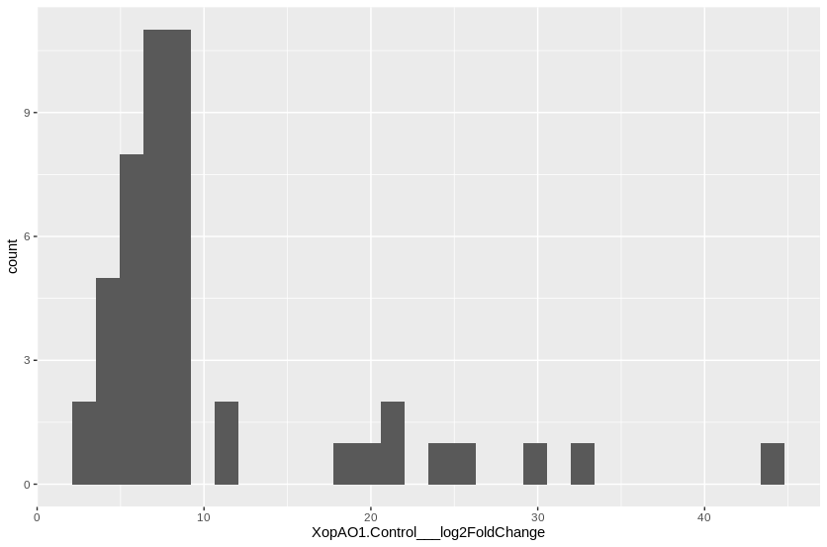
MANES_06G094100 | 0.00041315422073 | 21.024604517
MANES_02G151400 | 0.00085054309107 | 19.920205291
MANES_01G059400 | 0.00020181613828 | 18.213780473
MANES_01G136800 | 0.0018802259698 | 10.820227546
MANES_08G049600 | 0.0025049244692 | 10.730675218
MANES_05G107100 | 0.0034380379809 | 9.2294035439
MANES_15G169000 | 0.0007584069126 | 9.0479342526
MANES_05G164400 | 0.0007584069126 | 8.6613232287
MANES_S033500 | 0.003873724753 | 8.6214634297
MANES_14G031700 | 8.2336160753E-07 | 8.5914559513
MANES_13G089100 | 0.0010815744852 | 8.5315424152
MANES_09G096100 | 0.000898312851 | 8.2139712295
MANES_01G115400 | 0.003873724753 | 8.2085467441
MANES_02G093600 | 0.00059764334552 | 8.0701714222
MANES_05G011300 | 0.00035503344839 | 8.0050293509
MANES_17G013000 | 0.0025049244692 | 8.0000142492
MANES_15G182200 | 0.0048138210925 | 7.6573630525
MANES_14G065800 | 0.0034380379809 | 7.6533434995
MANES_04G063000 | 0.0041169175762 | 7.648479227
MANES_13G132700 | 7.4410269207E-05 | 7.2922485783
MANES_10G132200 | 0.0012143664634 | 7.1437063387
MANES_16G077700 | 0.0016901540864 | 7.1298518445
MANES_03G041500 | 0.00016305209644 | 6.9785877605
MANES_12G032900 | 0.0079402229234 | 6.9553619746
MANES_07G013300 | 0.0034380379809 | 6.5687817888
MANES_06G036700 | 0.00033943180026 | 6.5550084933
MANES_08G127300 | 0.00015455118795 | 6.5112233048
MANES_18G144400 | 0.0025049244692 | 6.3536792211
MANES_16G000600 | 0.0022061847819 | 6.190266834
MANES_11G056500 | 0.0019854168004 | 6.1641141932
MANES_05G006300 | 0.0017337420133 | 6.0694336946
MANES_07G131700 | 0.0033952342714 | 5.7904815708
MANES_02G121000 | 0.0079402229234 | 5.7619389442
MANES_05G187000 | 0.0033952342714 | 5.3695414146
MANES_10G060800 | 2.2026566511E-09 | 5.1124226039
MANES_09G157100 | 0.00046061603921 | 4.9426745069
MANES_01G206300 | 0.0054069838549 | 4.9391378865
MANES_11G113000 | 0.0054069838549 | 4.5888446873
MANES_12G144200 | 0.0022061847819 | 4.5791698592
MANES_13G068200 | 0.0002993841829 | 3.9002748669
MANES_14G054600 | 0.0052255691665 | 3.3895236351
MANES_08G078500 | 0.0018802259698 | 3.136390067

XopC2 list
Row.names | XopC2.Control___padj | XopC2.Control___log2FoldChange | Cuantiles | Valor límite LOG2 fold change
MANES_15G089100 | 1.3952503959E-21 | 26.708284606 | 0.05 | 3.73859
MANES_04G143800 | 0.00010338337201 | 21.543843767 | 0.25 | 5.454527
MANES_14G015600 | 0.0064476918634 | 20.653427302 | 0.5 | 7.259603
MANES_18G059800 | 0.00048201506495 | 19.579275608 | 0.75 | 9.020103
MANES_15G016500 | 4.2924795054E-06 | 17.737449572 | 0.95 | 19.395093
MANES_02G189600 | 1.8495042558E-05 | 17.59799773
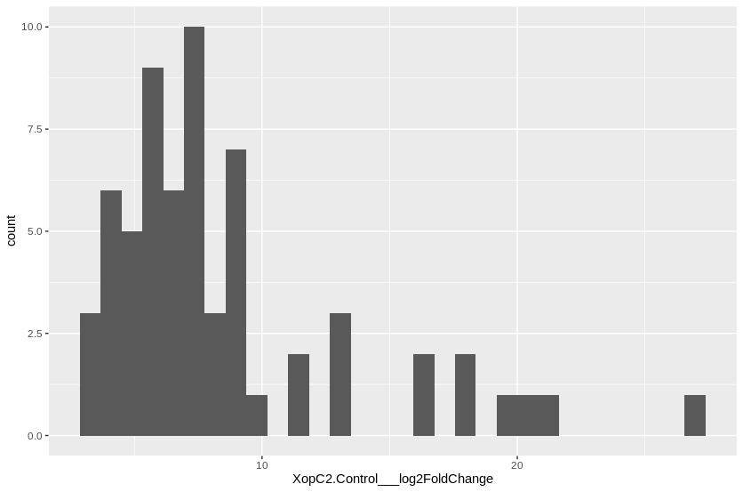
MANES_18G013500 | 1.189631718E-48 | 16.444499882
MANES_05G096900 | 2.990370578E-18 | 15.936971084
MANES_05G110700 | 6.7734556086E-15 | 13.453931237
MANES_04G020300 | 1.4511932295E-05 | 13.317052834
MANES_16G060500 | 0.00022680577532 | 13.035061065
MANES_14G021900 | 1.6418091241E-07 | 11.825463442
MANES_01G189500 | 1.4035409439E-08 | 11.445734386
MANES_11G026000 | 4.4974455225E-06 | 10.180928146
MANES_15G068900 | 7.5855759825E-10 | 9.2340956773
MANES_01G275000 | 9.8297263846E-11 | 9.0831333559
MANES_14G052200 | 1.451647704E-08 | 8.9570735577
MANES_14G160700 | 2.0255467876E-05 | 8.7672758507
MANES_05G119900 | 6.605976017E-06 | 8.7603758967
MANES_05G030000 | 6.3364468851E-08 | 8.7427583545
MANES_01G183300 | 0.00097941567573 | 8.6297663691
MANES_04G140100 | 1.2002086706E-05 | 8.5286878615
MANES_14G159800 | 0.00059196534109 | 8.2400892191
MANES_14G084400 | 0.0010150966955 | 7.9304128286
MANES_09G131700 | 2.0850349903E-05 | 7.7082407896
MANES_01G184000 | 0.00040982373476 | 7.6154040095
MANES_S094300 | 1.2095920547E-06 | 7.5573122488
MANES_06G118500 | 3.5547384347E-05 | 7.4517603672
MANES_08G083400 | 0.0054646298332 | 7.4502270988
MANES_06G092300 | 0.0055767369548 | 7.4268228451
MANES_08G004100 | 0.0013417357834 | 7.2644978482
MANES_17G058000 | 6.7678117562E-05 | 7.2596026204
MANES_10G034500 | 0.0011040115382 | 7.255525622
MANES_13G083700 | 9.5075119356E-05 | 7.1599910915
MANES_02G109200 | 0.0056024353255 | 6.6590662151
MANES_07G001100 | 0.0011257118927 | 6.6473353415
MANES_01G033600 | 0.0058672858528 | 6.4350125575
MANES_18G116300 | 3.085345381E-09 | 6.3767192005
MANES_03G195100 | 1.3337015289E-06 | 6.278716786
MANES_03G064600 | 0.00026265438407 | 6.222216341
MANES_16G137700 | 0.0011377085748 | 6.0350417187
MANES_17G099000 | 0.00022822135505 | 5.9889835071
MANES_09G039200 | 0.0049598830673 | 5.8895988925
MANES_06G007600 | 3.7949923274E-05 | 5.6079137397
MANES_03G049000 | 0.0016314418548 | 5.5485665554
MANES_07G066800 | 0.0016881200987 | 5.5415675714
MANES_02G129800 | 0.00020367177932 | 5.4765682973
MANES_10G046000 | 0.0016881200987 | 5.432486055
MANES_S065500 | 0.00030740835367 | 5.3744194883
...

XopE1 list
Row.names | XopE1.Control___padj | XopE1.Control___log2FoldChange | Cuantiles | Valor límite LOG2 fold change
MANES_15G152500 | 2.1902085727E-25 | 41.415453465 | 0.05 | 4.082256
MANES_01G195300 | 8.8329378557E-26 | 35.754160325 | 0.25 | 5.742773
MANES_15G089100 | 5.2275823849E-31 | 31.149764868 | 0.5 | 7.664282
MANES_13G038200 | 2.3866363946E-10 | 30.340053523 | 0.75 | 9.832383
MANES_01G059400 | 1.7170820428E-16 | 29.362723738 | 0.95 | 14.328589
MANES_02G151400 | 2.4586090819E-11 | 28.914850662
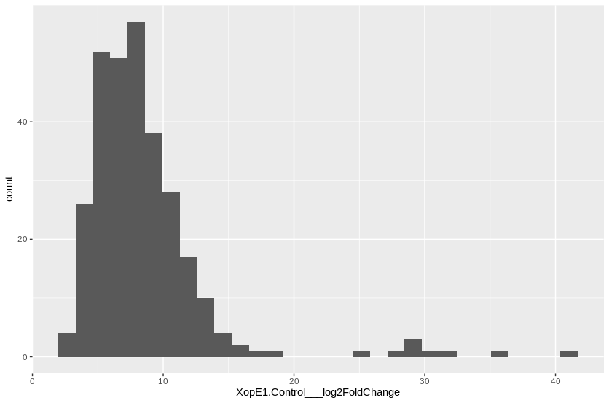
MANES_13G070500 | 0.0070811922189 | 28.791187878
MANES_03G060700 | 3.5775193149E-09 | 27.144937732
MANES_18G059800 | 5.1509812618E-07 | 24.771998269
MANES_02G189600 | 3.1433079352E-06 | 18.335838509
MANES_08G010600 | 1.791745463E-27 | 16.584967591
MANES_10G045300 | 2.2609339951E-17 | 15.338776023
MANES_05G064600 | 5.0167409768E-38 | 15.275058767
MANES_08G136000 | 1.799749911E-12 | 15.125574634
MANES_15G178000 | 2.643282074E-05 | 14.856134307
MANES_12G113200 | 1.2519629245E-13 | 14.300823674
MANES_10G099500 | 5.1286141333E-07 | 14.019446548
MANES_10G077200 | 1.5337837065E-24 | 13.880402471
MANES_16G060500 | 6.1472419007E-05 | 13.52722469
MANES_09G158200 | 4.9168902899E-21 | 13.393981653
MANES_02G018900 | 0.00018058227468 | 13.201260385
MANES_14G023800 | 7.7450086928E-05 | 12.931388929
MANES_03G103900 | 1.1502350395E-07 | 12.926422663
MANES_05G133100 | 3.3956365851E-12 | 12.842913528
MANES_05G155000 | 1.1416118678E-06 | 12.833514098
MANES_04G087000 | 1.8320786011E-09 | 12.727554272
MANES_02G034000 | 0.00010048955746 | 12.705642981
MANES_08G020700 | 0.003385926119 | 12.461995351
MANES_11G086600 | 0.00058970032496 | 12.139046405
MANES_18G013500 | 3.2746726241E-26 | 12.038385946
MANES_01G023900 | 4.2769902645E-07 | 11.895205014
MANES_15G163900 | 2.8066288063E-18 | 11.867145812
MANES_13G085600 | 6.8213894942E-08 | 11.855867417
MANES_01G028300 | 6.1759849564E-11 | 11.81897249
MANES_11G129100 | 0.0061017628761 | 11.790351812
MANES_01G074300 | 0.0020802837398 | 11.667456251
MANES_06G076800 | 3.0767223408E-07 | 11.527641612
MANES_09G066300 | 3.4362745531E-09 | 11.491495495
MANES_04G093100 | 2.5090841367E-08 | 11.491270869
MANES_09G039500 | 4.778077476E-10 | 11.480408602
MANES_11G149200 | 0.00030291504278 | 11.443526198
MANES_09G061900 | 4.7883143778E-10 | 11.403914973
MANES_02G107900 | 3.3080098446E-08 | 11.394968565
MANES_18G041700 | 1.5581013622E-06 | 11.332864015
MANES_12G089800 | 0.00069733720602 | 11.151400488
MANES_S095000 | 0.0050327502913 | 11.111785738
MANES_08G014300 | 4.1525240159E-08 | 11.027811954
MANES_14G016000 | 8.4704467268E-14 | 11.011730618
MANES_S061400 | 2.4509350276E-13 | 10.998920208
...

XopE4 list
Row.names | XopE4.Control___padj | XopE4.Control___log2FoldChange | Cuantiles | Valor límite LOG2 fold change
MANES_02G189600 | 1.2602944967E-40 | 45.196089246 | 0.05 | 3.132898
MANES_16G060500 | 4.3015228717E-46 | 39.000374795 | 0.25 | 4.407237
MANES_15G152500 | 1.8299378472E-22 | 38.989440744 | 0.5 | 5.412067
MANES_04G143800 | 4.7024049601E-08 | 27.382565438 | 0.75 | 6.565424
MANES_08G029900 | 5.8785432971E-07 | 27.197086863 | 0.95 | 14.495514
MANES_01G195300 | 1.3041333225E-13 | 26.133139661
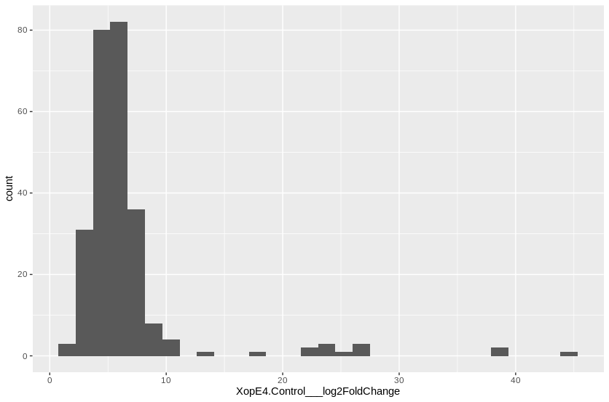
MANES_14G061200 | 0.0004811653543 | 25.496851005
MANES_15G089100 | 7.7080419444E-18 | 23.770613882
MANES_02G151400 | 1.4878820621E-07 | 23.598135776
MANES_09G163800 | 6.7379456975E-09 | 23.332659353
MANES_13G038200 | 3.8175958577E-06 | 23.014657888
MANES_05G140600 | 0.008762293492 | 21.589799616
MANES_18G059800 | 0.00027235862153 | 18.510439024
MANES_15G016500 | 0.00025223869234 | 13.786998114
MANES_08G010800 | 8.580418718E-05 | 10.854550647
MANES_01G198900 | 0.00089518612719 | 10.737205261
MANES_02G112700 | 2.0445983086E-10 | 10.587270891
MANES_10G099500 | 0.00070105151946 | 9.7654028107
MANES_11G108900 | 0.0016395335211 | 9.3793643512
MANES_01G023900 | 0.00013843303586 | 9.1893424314
MANES_16G023500 | 0.0061532017653 | 8.7468733313
MANES_06G053300 | 0.004584884948 | 8.6642149891
MANES_13G078600 | 0.0020106268912 | 8.4529340488
MANES_15G169000 | 6.4792975444E-05 | 8.3406167772
MANES_17G075600 | 0.00086648594716 | 8.2230662323
MANES_11G036700 | 0.00010679898514 | 8.19324017
MANES_08G034300 | 0.0014282603719 | 7.9156038836
MANES_10G077200 | 1.0905864571E-07 | 7.7414326249
MANES_09G039500 | 5.999189222E-05 | 7.7330992196
MANES_11G129300 | 0.0020444742225 | 7.6869747277
MANES_17G053100 | 0.00030162620431 | 7.5806937124
MANES_03G187800 | 0.00017253310789 | 7.5738556776
MANES_08G136000 | 0.00096574569667 | 7.573563211
MANES_01G201400 | 0.0055837008315 | 7.5620656205
MANES_09G061900 | 8.2680220413E-05 | 7.542605289
MANES_06G076800 | 0.0014883205525 | 7.4382911502
MANES_04G093100 | 0.00055088014781 | 7.4336184627
MANES_17G107100 | 0.0015310907584 | 7.4192960792
MANES_16G033500 | 0.00064839830199 | 7.4082345167
MANES_17G013000 | 0.00021468325684 | 7.3834082157
MANES_14G005500 | 0.00058222001785 | 7.3617684526
MANES_15G182200 | 0.00025524407063 | 7.3052097704
MANES_16G049700 | 3.2544520833E-06 | 7.2974525096
MANES_16G102100 | 0.0032573331731 | 7.2888141269
MANES_05G172200 | 0.0091388338479 | 7.2700441908
MANES_03G037800 | 0.00013222873472 | 7.2679547619
MANES_14G003000 | 0.00026621659767 | 7.2432262193
MANES_05G042100 | 1.0191877883E-06 | 7.2381746665
MANES_05G017000 | 4.3761887096E-05 | 7.1220853368
...

XopK list
Row.names | XopK.Control___padj | XopK.Control___log2FoldChange | Cuantiles | Valor límite LOG2 fold change
MANES_02G189600 | 2.6750782252E-30 | 41.82058529 | 0.05 | 3.481792
MANES_05G033400 | 0.004460428795 | 31.957084344 | 0.25 | 6.096567
MANES_14G061200 | 0.00219024064 | 25.540721586 | 0.5 | 7.046523
MANES_08G029900 | 0.0005093830073 | 21.641937163 | 0.75 | 9.686277
MANES_01G195300 | 9.7769921841E-08 | 21.120869383 | 0.95 | 22.031816
MANES_18G013500 | 5.0334426982E-40 | 14.963765427
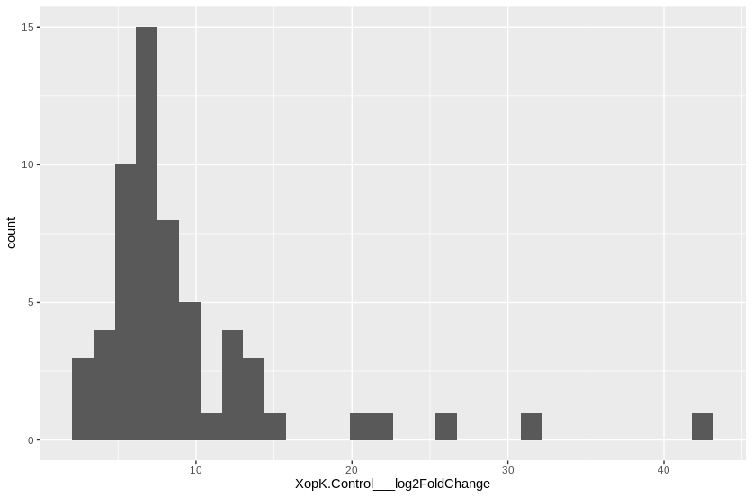
MANES_16G077600 | 2.3626827797E-13 | 13.310558037
MANES_17G056100 | 1.3476687776E-07 | 13.139843375
MANES_01G183300 | 3.6413577799E-08 | 13.127956036
MANES_04G020300 | 7.3859674896E-05 | 12.572853818
MANES_01G107700 | 2.5150885333E-11 | 12.423535282
MANES_01G006400 | 5.9622822432E-21 | 12.06995975
MANES_09G072000 | 1.3443407726E-16 | 11.656778903
MANES_09G000100 | 1.8961427307E-07 | 10.780155689
MANES_14G021900 | 4.0366130506E-05 | 9.7911072303
MANES_01G189500 | 5.7994693479E-06 | 9.5814466666
MANES_01G089900 | 1.0672552964E-12 | 9.1912196612
MANES_06G118500 | 2.7306755359E-07 | 8.9780321443
MANES_08G083400 | 0.00039190288253 | 8.9556485888
MANES_01G050300 | 1.025324164E-07 | 8.5145855728
MANES_11G026000 | 0.00037607785477 | 8.4650964909
MANES_16G066000 | 0.003720742331 | 8.4526572117
MANES_11G072800 | 0.00052086033337 | 8.3681689079
MANES_13G059700 | 1.333055568E-10 | 8.1109045535
MANES_14G052200 | 1.0201407615E-06 | 7.9668072626
MANES_14G147200 | 0.0012971649891 | 7.7482761314
MANES_14G160700 | 0.0005093830073 | 7.571833008
MANES_08G117500 | 0.00027165677828 | 7.2944180718
MANES_14G084400 | 0.004557907722 | 7.2054060585
MANES_01G275000 | 1.9264671251E-06 | 7.0465232086
MANES_03G081600 | 0.00022572800917 | 7.0098124241
MANES_18G016200 | 0.00024698970336 | 6.9336517688
MANES_03G061500 | 0.0050360538043 | 6.8233652257
MANES_08G004100 | 0.0049542214049 | 6.6775263333
MANES_04G140100 | 0.0019590527096 | 6.6691137575
MANES_S055900 | 2.9298948747E-08 | 6.5665711901
MANES_15G067700 | 0.00055316657096 | 6.3723931137
MANES_04G006200 | 0.0011329159478 | 6.3459607812
MANES_02G034500 | 1.333055568E-10 | 6.3280701195
MANES_11G061200 | 0.006456825286 | 6.3265617345
MANES_13G083700 | 0.0011544211915 | 6.3141775496
MANES_05G119900 | 0.0050360538043 | 6.2445822355
MANES_18G043900 | 0.00043526410185 | 6.1448648506
MANES_16G007300 | 2.3080273347E-06 | 6.1269989488
MANES_18G054600 | 0.0033567503887 | 6.0661343429
MANES_09G039200 | 0.0049090365131 | 6.0010568697
MANES_18G093100 | 1.3735642267E-06 | 5.9065971769
MANES_10G008900 | 0.0010976384093 | 5.8956496253
MANES_15G054000 | 0.00034174015916 | 5.5148783028
...

XopL list
Row.names | XopL.Control___padj | XopL.Control___log2FoldChange | Cuantiles | Valor límite LOG2 fold change
MANES_02G189600 | 2.8080682008E-32 | 41.588286686 | 0.05 | 6.133782
MANES_16G060500 | 1.6515398999E-26 | 31.559312663 | 0.25 | 12.637254
MANES_08G029900 | 0.0031501524887 | 22.350098934 | 0.5 | 19.401461
MANES_06G094100 | 0.00010638778921 | 21.767045897 | 0.75 | 21.912809
MANES_15G089100 | 1.1603648853E-11 | 20.88263913 | 0.95 | 36.072351
MANES_09G163800 | 6.2371442658E-05 | 20.084098522
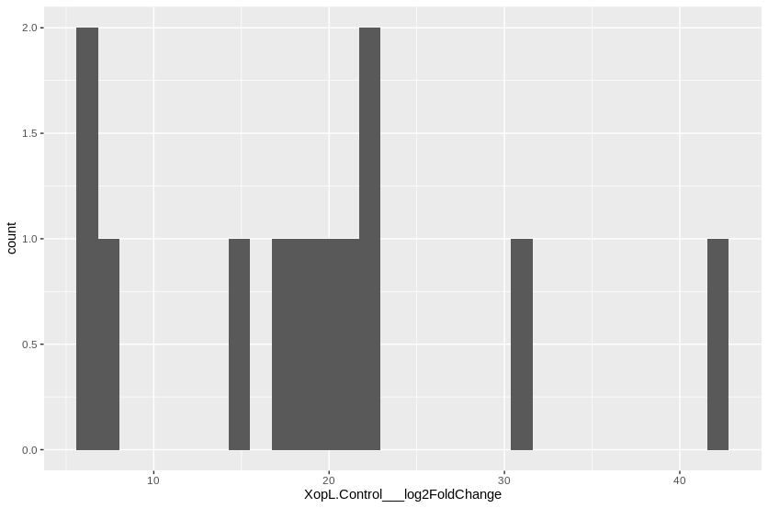
MANES_01G059400 | 6.0459640224E-05 | 18.718823501
MANES_01G195300 | 0.00082483692474 | 17.071053513
MANES_15G016500 | 0.0038049545206 | 14.494383611
MANES_09G115700 | 0.0025744182942 | 7.065863732
MANES_04G149300 | 6.0459640224E-05 | 6.5524886268
MANES_15G163900 | 0.0076969436913 | 5.6220304356

XopN list
Row.names | XopN.Control___padj | XopN.Control___log2FoldChange | Cuantiles | Valor límite LOG2 fold change
MANES_02G189600 | 2.7925436931E-33 | 43.788237588 | 0.05 | 3.81123
MANES_15G152500 | 1.4265396848E-24 | 40.983624156 | 0.25 | 5.15228
MANES_15G089100 | 3.4460667335E-23 | 27.344869677 | 0.5 | 6.464865
MANES_03G060700 | 3.3983322772E-05 | 21.120408237 | 0.75 | 8.213352
MANES_05G110700 | 4.9203734056E-23 | 16.592891866 | 0.95 | 16.345128
MANES_08G010600 | 1.3143986469E-26 | 16.345127865
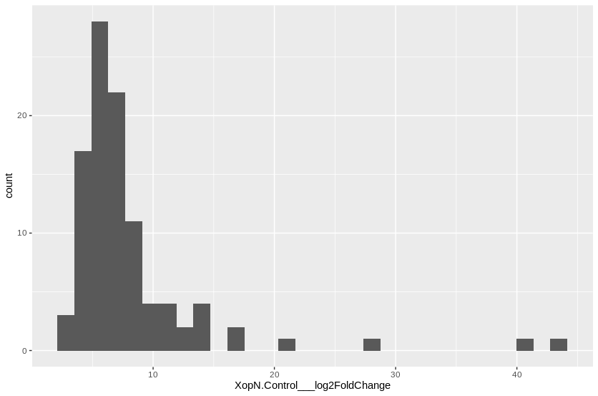
MANES_18G013500 | 9.7986134346E-38 | 14.509081681
MANES_11G037600 | 3.0250004002E-16 | 14.355192162
MANES_16G060500 | 2.6069765573E-05 | 14.284116457
MANES_01G028300 | 4.0486722253E-14 | 13.542531243
MANES_16G032100 | 3.7921038279E-07 | 12.548687362
MANES_06G104500 | 1.0644237083E-05 | 12.129725359
MANES_08G136000 | 5.7664634962E-07 | 11.243317738
MANES_04G020300 | 0.00057717777733 | 10.96408058
MANES_11G026000 | 3.7684159298E-07 | 10.944384967
MANES_11G150900 | 4.2825499561E-09 | 10.743280587
MANES_07G126500 | 0.0057268678263 | 9.9271390796
MANES_01G275000 | 7.5891144927E-13 | 9.8372447149
MANES_01G044400 | 2.3829711701E-06 | 9.7923672754
MANES_05G064600 | 7.0488086318E-15 | 9.5996029837
MANES_14G160700 | 6.3785160825E-06 | 9.0723666545
MANES_04G140100 | 2.6966420251E-06 | 8.9149689586
MANES_14G084400 | 0.00013424398329 | 8.7159174509
MANES_05G119900 | 7.3542901961E-06 | 8.6153349782
MANES_06G095800 | 0.0017359338958 | 8.2696471712
MANES_14G159800 | 0.00056568102222 | 8.2133522851
MANES_13G075100 | 0.0063291672447 | 8.0503437491
MANES_09G131700 | 5.8334293753E-06 | 8.0075710754
MANES_07G113100 | 0.0096605047037 | 7.8745863772
MANES_17G013000 | 0.00016001241871 | 7.8458395578
MANES_15G062500 | 8.8839072177E-05 | 7.7890362885
MANES_08G083400 | 0.0031691521595 | 7.6486881957
MANES_S094300 | 6.5739809996E-07 | 7.6319337451
MANES_03G090100 | 0.0022199528641 | 7.5948766526
MANES_17G058000 | 3.7369556736E-05 | 7.3721788221
MANES_06G092300 | 0.0071037224957 | 7.2731455614
MANES_S059100 | 1.3652612591E-07 | 7.2266777592
MANES_10G034500 | 0.0011050439229 | 7.2234515352
MANES_14G021900 | 0.0044892574951 | 7.2213724751
MANES_16G071400 | 2.2946659584E-10 | 7.1500544355
MANES_11G096700 | 3.2710013922E-05 | 7.0587092726
MANES_09G114000 | 0.0035572365005 | 6.9830457116
MANES_12G006900 | 0.0044930905927 | 6.9828431932
MANES_01G264700 | 0.0076737742204 | 6.9824041295
MANES_07G001100 | 0.00042075120078 | 6.9770849538
MANES_06G118500 | 0.0001748703414 | 6.805646643
MANES_11G069900 | 0.00048504164644 | 6.6248038323
MANES_06G102500 | 0.0031273883937 | 6.5985156556
MANES_S111300 | 0.0016530463052 | 6.5965203942
...

XopQ list
Row.names | XopQ.Control___padj | XopQ.Control___log2FoldChange | Cuantiles | Valor límite LOG2 fold change
MANES_02G189600 | 3.1780035259E-30 | 41.625019383 | 0.05 | 4.077538
MANES_15G152500 | 1.9490107825E-25 | 41.511249315 | 0.25 | 5.720049
MANES_06G094100 | 3.1875690804E-11 | 29.34020178 | 0.5 | 7.163856
MANES_09G163800 | 1.4339082474E-10 | 25.48998871 | 0.75 | 9.487794
MANES_18G059800 | 0.0012250611344 | 18.319954563 | 0.95 | 13.47851
MANES_17G063900 | 2.146430931E-08 | 14.023084631
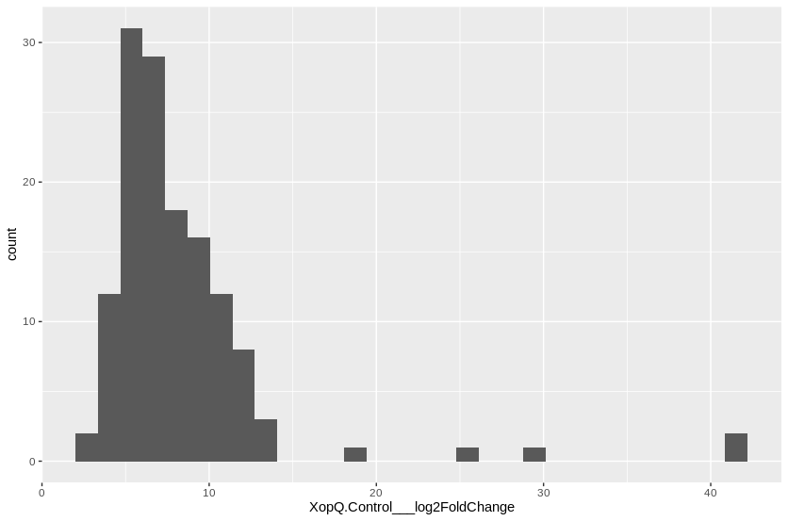
MANES_08G010600 | 4.4971780785E-19 | 13.854759543
MANES_08G010800 | 1.3007328764E-06 | 13.353093115
MANES_03G040700 | 1.4041849526E-17 | 12.39588066
MANES_05G064600 | 2.1282993352E-24 | 12.226883974
MANES_01G252800 | 6.0938644112E-06 | 12.112042919
MANES_05G102400 | 3.6748010499E-06 | 11.674236844
MANES_07G054200 | 7.1629275688E-11 | 11.606457661
MANES_03G086500 | 4.2398833217E-17 | 11.462622534
MANES_01G198900 | 0.00091760998639 | 11.451778207
MANES_09G158200 | 4.1328066035E-15 | 11.397931884
MANES_02G099900 | 6.9705722939E-05 | 11.312070304
MANES_06G076800 | 8.8294960392E-07 | 11.304728014
MANES_01G028300 | 9.0753393474E-10 | 11.226959708
MANES_14G106700 | 1.7603266101E-10 | 11.157846202
MANES_03G052200 | 2.7386612909E-07 | 11.151639439
MANES_08G049600 | 6.9705722939E-05 | 10.971645241
MANES_11G036700 | 1.6194945925E-07 | 10.917791788
MANES_02G018900 | 0.0063774869001 | 10.7187711
MANES_04G044100 | 6.638376157E-14 | 10.551714799
MANES_05G030000 | 3.6191295288E-11 | 10.325133946
MANES_05G097100 | 1.6778787637E-08 | 10.282757874
MANES_07G070200 | 4.1565069016E-10 | 10.066994571
MANES_04G089100 | 0.0032736107478 | 10.042813454
MANES_16G095100 | 6.0408895846E-27 | 9.9925743233
MANES_14G118100 | 7.2385985418E-14 | 9.8967570949
MANES_04G093100 | 4.6556966207E-06 | 9.8752188233
MANES_01G117400 | 3.9118622238E-07 | 9.6890864196
MANES_14G125900 | 5.3167423412E-08 | 9.5934009338
MANES_16G101900 | 1.6835741828E-07 | 9.4525912219
MANES_11G037600 | 3.3484970387E-07 | 9.4351822502
MANES_S012900 | 4.4302846407E-11 | 9.4033690722
MANES_17G019500 | 1.3266811512E-13 | 9.3290568045
MANES_09G039500 | 1.3863130271E-06 | 9.3103133511
MANES_17G053100 | 1.6580547537E-05 | 9.1639229902
MANES_14G001900 | 2.9603389973E-05 | 9.1075873809
MANES_07G070100 | 0.0055492566443 | 9.1074791684
MANES_09G001100 | 1.7916261751E-06 | 9.0831734545
MANES_09G142400 | 4.7412498118E-07 | 8.7740359905
MANES_07G055900 | 1.519136532E-05 | 8.6499023272
MANES_06G152500 | 1.4989103128E-06 | 8.6227173809
MANES_17G013000 | 3.2653649666E-05 | 8.4788442368
MANES_15G182200 | 4.0688888238E-05 | 8.4092870361
MANES_13G110300 | 0.00025585285387 | 8.3972231263
...

XopR list
Row.names | XopR.Control___padj | XopR.Control___log2FoldChange | Cuantiles | Valor límite LOG2 fold change
MANES_18G120700 | 0.0041122718227 | 31.384589069 | 0.05 | 4.534223
MANES_15G016500 | 1.4141602688E-19 | 29.732812877 | 0.25 | 6.427484
MANES_06G094100 | 6.4835057884E-07 | 23.787305089 | 0.5 | 8.109258
MANES_01G059400 | 8.9394018843E-09 | 22.135665843 | 0.75 | 10.665299
MANES_09G107700 | 3.4969293235E-36 | 16.467430465 | 0.95 | 14.668704
MANES_03G178100 | 1.9018520386E-14 | 15.87677739
MANES_02G195400 | 3.2689302162E-21 | 14.719044808
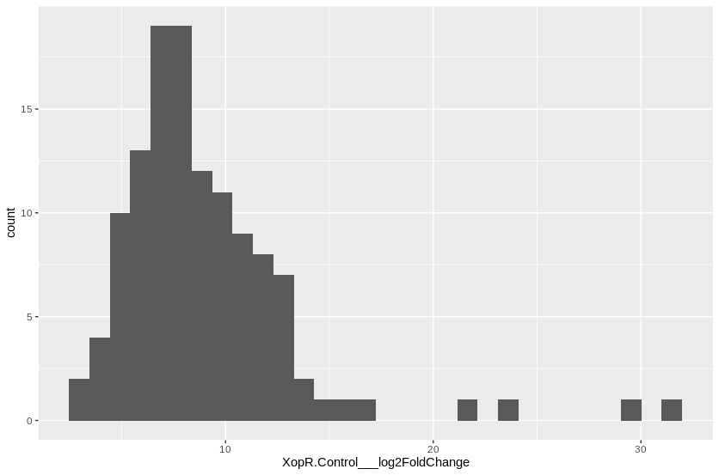
MANES_07G013300 | 2.8609814493E-20 | 14.215637698
MANES_04G149300 | 1.0328235453E-29 | 14.100922029
MANES_04G125700 | 8.0792441343E-15 | 13.119393372
MANES_02G111000 | 0.004717756041 | 13.095038003
MANES_04G078800 | 1.6084345042E-13 | 12.890701687
MANES_02G189600 | 0.0054691007453 | 12.645311639
MANES_08G069900 | 3.0137690563E-10 | 12.600150585
MANES_16G130200 | 4.2338631446E-06 | 12.45954773
MANES_08G136000 | 2.2695994056E-08 | 12.457010865
MANES_17G056100 | 1.3734091453E-06 | 12.061156183
MANES_06G053300 | 0.00011914224218 | 12.007625998
MANES_02G112700 | 2.7150001909E-13 | 11.945151527
MANES_18G013500 | 1.5694374993E-24 | 11.701264888
MANES_03G086600 | 0.00014097691685 | 11.566914073
MANES_02G121000 | 4.1698733865E-15 | 11.457870942
MANES_14G111700 | 0.0048393504333 | 11.441993514
MANES_04G093100 | 6.6460049503E-08 | 11.378658029
MANES_03G161700 | 0.0034048404209 | 11.200686057
MANES_03G161100 | 0.0077320559899 | 10.937756566
MANES_06G109200 | 0.0072801800922 | 10.851143476
MANES_10G077200 | 8.8589745048E-15 | 10.830907895
MANES_06G065800 | 0.002137987439 | 10.819830864
MANES_02G099900 | 0.0001895420399 | 10.779039704
MANES_11G091200 | 7.1730574842E-10 | 10.706167213
MANES_01G112600 | 1.0328235453E-29 | 10.624430826
MANES_15G182200 | 1.0422417026E-07 | 10.477716374
MANES_01G112700 | 8.249012262E-21 | 10.161737853
MANES_08G010800 | 0.00065185534452 | 10.113541997
MANES_12G158700 | 0.0009074000277 | 10.084450723
MANES_05G032700 | 0.0003305376917 | 10.029607226
MANES_03G095300 | 3.3587501154E-05 | 9.8891691478
MANES_11G014400 | 7.3020254416E-06 | 9.8087609858
MANES_15G009900 | 3.542473018E-10 | 9.7573928713
MANES_06G132800 | 0.00020003979201 | 9.5371287204
MANES_14G018000 | 0.00011992636606 | 9.5259992924
MANES_01G028300 | 5.0938622608E-07 | 9.5200759796
MANES_01G023900 | 0.00019155427474 | 9.4397500632
MANES_04G020300 | 0.0075926374423 | 9.2443667089
MANES_10G031600 | 9.3575804946E-05 | 9.1718828431
MANES_04G083000 | 6.5995840202E-10 | 8.9195974063
MANES_06G118500 | 2.4345788833E-07 | 8.9159863987
MANES_01G026800 | 0.00047291629693 | 8.844091056
MANES_15G181500 | 2.1282934493E-10 | 8.8047131872
...

XopV list
Row.names | XopV.Control___padj | XopV.Control___log2FoldChange | Cuantiles | Valor límite LOG2 fold change
MANES_02G189600 | 2.1505649395E-35 | 42.675024166 | 0.05 | 3.300687
MANES_15G152500 | 2.0163732087E-23 | 39.71870067 | 0.25 | 4.769914
MANES_16G060500 | 3.8537234994E-30 | 33.008591851 | 0.5 | 5.988327
MANES_18G120700 | 0.0028610821136 | 30.120657333 | 0.75 | 7.397984
MANES_14G061200 | 0.00010326808054 | 28.711759156 | 0.95 | 19.424405
MANES_08G029900 | 4.2322041577E-07 | 27.850980537
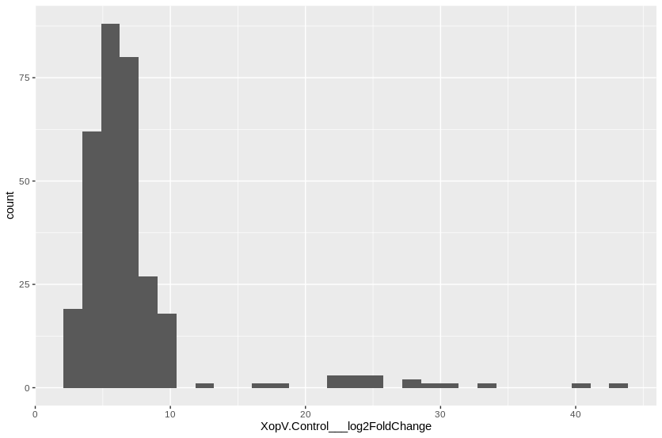
MANES_09G163800 | 2.8967527439E-12 | 27.385897356
MANES_02G151400 | 1.2229912801E-08 | 25.546324597
MANES_13G038200 | 4.7188324994E-07 | 25.248453218
MANES_04G143800 | 1.6161582604E-06 | 24.565051554
MANES_06G094100 | 1.1262378424E-07 | 24.348242798
MANES_03G060700 | 8.5973695337E-07 | 23.588192517
MANES_01G195300 | 8.0238165818E-11 | 23.395651697
MANES_18G059800 | 6.9670122558E-06 | 22.918895617
MANES_15G089100 | 7.3322866675E-16 | 22.709822566
MANES_14G015600 | 0.00088029438408 | 22.153347571
MANES_01G059400 | 1.8260967314E-05 | 17.605110645
MANES_15G016500 | 1.6697541741E-06 | 17.192957022
MANES_11G129100 | 0.0028626569567 | 12.163454714
MANES_03G187800 | 1.8118413257E-07 | 10.420381762
MANES_01G201400 | 0.00021521497679 | 10.131320451
MANES_08G034300 | 5.903331518E-05 | 10.020657432
MANES_06G076800 | 2.0707455801E-05 | 9.9757223534
MANES_08G010800 | 0.00056340833258 | 9.8447347476
MANES_01G023900 | 6.1292059791E-05 | 9.8416458552
MANES_10G027700 | 0.00052075479423 | 9.7843642899
MANES_15G182200 | 9.5094874753E-07 | 9.7454453739
MANES_04G093100 | 6.7555581616E-06 | 9.7170782758
MANES_04G127800 | 0.00072934387035 | 9.5933609099
MANES_11G108900 | 0.0017233327662 | 9.5769527431
MANES_08G136000 | 3.9306667888E-05 | 9.5159355887
MANES_01G204300 | 0.0056787220284 | 9.4438856384
MANES_01G082300 | 0.0089882658664 | 9.4380656293
MANES_15G192200 | 0.0092431439476 | 9.435469307
MANES_07G013300 | 2.3996945395E-08 | 9.1417724532
MANES_12G151900 | 0.0016948907731 | 9.1309528944
MANES_13G030600 | 0.0024192945776 | 9.0719950857
MANES_15G073100 | 0.0022335230175 | 9.0395701507
MANES_04G149300 | 3.2705751829E-12 | 9.0375336267
MANES_05G108500 | 0.00066740251664 | 9.0275858445
MANES_05G164400 | 1.812872083E-05 | 8.6970669703
MANES_12G112000 | 0.0015759919742 | 8.6764157632
MANES_05G020900 | 1.4044985534E-05 | 8.6221596018
MANES_09G115700 | 6.0577605118E-07 | 8.6147760431
MANES_05G055800 | 0.0039300865061 | 8.5257092268
MANES_13G040900 | 0.0019919632033 | 8.4984169735
MANES_15G172000 | 0.000254194483 | 8.4511314029
MANES_16G124700 | 5.3985846915E-06 | 8.4388982091
MANES_13G071100 | 0.00027051778375 | 8.3943940473
...

XopZ list
Row.names | XopZ.Control___padj | XopZ.Control___log2FoldChange | Cuantiles | Valor límite LOG2 fold change
MANES_02G189600 | 1.3096055199E-27 | 43.126874696 | 0.05 | 4.459004
MANES_16G060500 | 3.1292017687E-43 | 41.754424275 | 0.25 | 6.943989
MANES_06G094100 | 2.2760021597E-09 | 30.018544924 | 0.5 | 8.974031
MANES_01G059400 | 1.178744625E-11 | 27.665848369 | 0.75 | 11.416913
MANES_02G151400 | 1.0569483497E-07 | 26.850965619 | 0.95 | 26.973198
MANES_15G089100 | 3.7218403231E-17 | 25.830006057
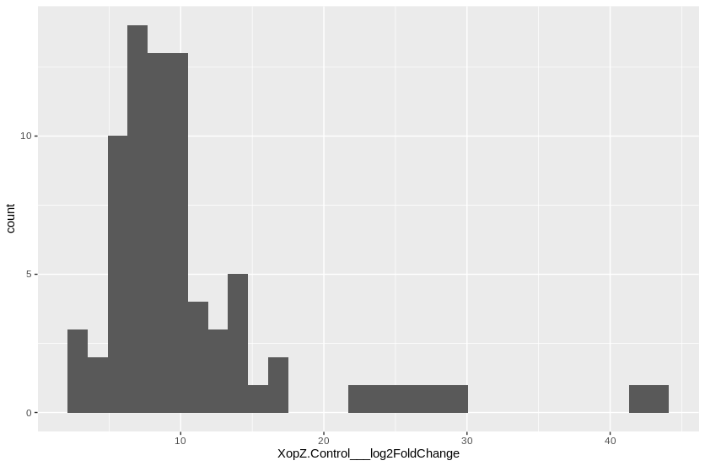
MANES_01G195300 | 2.0779959472E-08 | 23.301694095
MANES_03G060700 | 0.00013581506573 | 21.841107804
MANES_15G016500 | 4.9842158718E-05 | 17.395049418
MANES_05G064600 | 9.4733417539E-36 | 16.485027419
MANES_01G203100 | 0.0015383527225 | 16.038093889
MANES_16G113000 | 1.0002202112E-20 | 14.680527665
MANES_08G010600 | 7.089494759E-17 | 14.632486262
MANES_02G112700 | 9.5512336249E-16 | 14.375309584
MANES_09G061900 | 4.7947848513E-13 | 14.052152718
MANES_08G136000 | 5.2874084423E-08 | 13.594716188
MANES_17G013000 | 6.7056854137E-09 | 12.617295287
MANES_07G098700 | 0.00214414027 | 11.976700946
MANES_04G116500 | 0.00037687843658 | 11.959427347
MANES_15G064900 | 8.4663008078E-06 | 11.41967935
MANES_04G072100 | 2.0779959472E-08 | 11.408612853
MANES_S095900 | 2.1269474228E-09 | 11.387616549
MANES_13G085600 | 1.9460703464E-05 | 11.269403424
MANES_02G110400 | 4.3884168675E-10 | 10.430151789
MANES_18G068600 | 0.00090424797732 | 10.177127894
MANES_03G064800 | 0.005990932844 | 10.024759852
MANES_02G108200 | 6.2180111103E-06 | 9.9680317438
MANES_12G008800 | 0.00012387595855 | 9.8252706518
MANES_12G113200 | 5.4324818468E-05 | 9.6636482296
MANES_02G089700 | 6.5680707495E-05 | 9.413371999
MANES_12G121100 | 1.7472192018E-05 | 9.3766095158
MANES_12G092800 | 5.4083773263E-05 | 9.3601568135
MANES_09G158200 | 3.7451480918E-08 | 9.3196550423
MANES_07G113100 | 0.0052081422578 | 9.3071671302
MANES_11G150900 | 3.1898720411E-05 | 9.1981914998
MANES_14G160700 | 2.7969200513E-05 | 9.1621774972
MANES_04G149300 | 1.0710664415E-09 | 9.0479229926
MANES_01G028300 | 5.1681224238E-05 | 9.0151304248
MANES_09G095700 | 5.5889479439E-05 | 9.0082481142
MANES_18G041700 | 0.0036088363807 | 8.9398136977
MANES_18G013500 | 3.5171421807E-11 | 8.9142856166
MANES_13G133900 | 0.0038156600455 | 8.7305934968
MANES_10G077200 | 1.0309151103E-07 | 8.7173247641
MANES_15G067000 | 0.0080646819323 | 8.5716317431
MANES_10G039500 | 0.00031289094957 | 8.377308325
MANES_01G032500 | 1.7995873023E-05 | 8.1756123366
MANES_11G098400 | 0.0074724331003 | 8.1710033082
MANES_04G040500 | 3.5634832222E-05 | 7.9834549498
MANES_15G083400 | 0.0016237799045 | 7.9203011655
...

